Data (2)
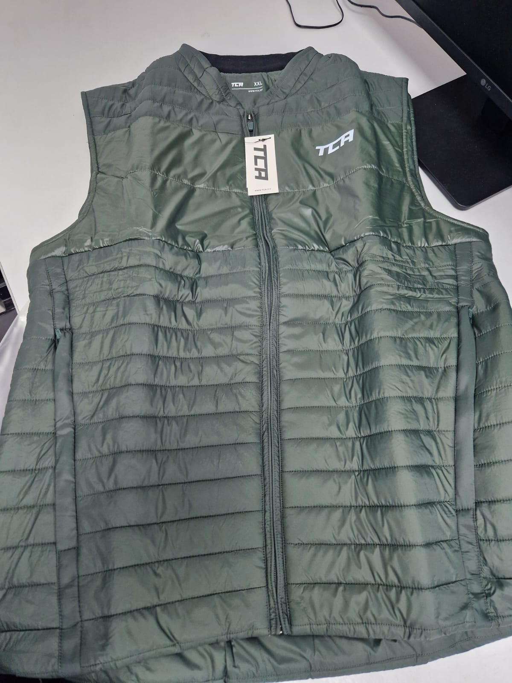
Concat | Parent Style | SKU | EAN | Title | Product Type 1 | Product Type 2 | Product Type 3 | Material Composition | Gender | Colour | Size | Season | Count | Brand Style | RRP | Value | Item
WTCA TI ST+Black/Black | WTCA TI ST | S-0RP | 5055906508230 | SuperThermal Legging - Black/Black, M | Bottom | Tights | High Waist | 88% Polyester 12% Elastane | Womens | Black/Black | M | AW | 25 | Bottom-Tights -High Waist | £11.50 | £287.50 | https://www.amazon.co.uk/dp/B00PUK2IAK
WTCA TI ST+Galaxy/Black | WTCA TI ST | S-0S0 | 5055906508377 | SuperThermal Legging - Galaxy/Black, S | Bottom | Tights | High Waist | 88% Polyester 12% Elastane | Womens | Galaxy/Black | S | AW | 34 | Bottom-Tights -High Waist | £11.50 | £391.00 | https://www.amazon.co.uk/dp/B00PUK2FH6
WTCA TI ST+Grey Marl/Cabaret | WTCA TI ST | S-0S5 | 5055906508476 | SuperThermal Legging - Grey Marl/Cabaret, S | Bottom | Tights | High Waist | 88% Polyester 12% Elastane | Womens | Grey Marl/Cabaret | S | AW | 48 | Bottom-Tights -High Waist | £11.50 | £552.00 | https://www.amazon.co.uk/dp/B00PUK2SQO
WTCA TI ST+Grey Marl/Cabaret | WTCA TI ST | S-0S6 | 5055906508483 | SuperThermal Legging - Grey Marl/Cabaret, M | Bottom | Tights | High Waist | 88% Polyester 12% Elastane | Womens | Grey Marl/Cabaret | M | AW | 26 | Bottom-Tights -High Waist | £11.50 | £299.00 | https://www.amazon.co.uk/dp/B00PUK2U62
WT CA+Clematis | WT CA | S-0WK | 5055906506830 | Supreme Capri Legging - Clematis, M | Bottom | Capri | High Waist | 88% Polyester 12% Elastane | Womens | Clematis | M | SS | 24 | Bottom-Capri -High Waist | £5.75 | £138.00 | https://www.amazon.co.uk/dp/B00PYOPUG6
WT CA+Castlerock Grey/Black | WT CA | S-0WP | 5055906506724 | Supreme Capri Legging - Castlerock Grey/Black, S | Bottom | Capri | High Waist | 88% Polyester 12% Elastane | Womens | Castlerock Grey/Black | S | SS | 16 | Bottom-Capri -High Waist | £5.75 | £92.00 | https://www.amazon.co.uk/dp/B00PYOOKDA
WT CA+Castlerock Grey/Black | WT CA | S-0WQ | 5055906506731 | Supreme Capri Legging - Castlerock Grey/Black, M | Bottom | Capri | High Waist | 88% Polyester 12% Elastane | Womens | Castlerock Grey/Black | M | SS | 23 | Bottom-Capri -High Waist | £5.75 | £132.25 | https://www.amazon.co.uk/dp/B00PYOOPCQ
WT CA+Black/Cabaret | WT CA | S-0X5 | 5055906506632 | Supreme Capri Legging - Black/Cabaret, M | Bottom | Capri | High Waist | 88% Polyester 12% Elastane | Womens | Black/Cabaret | M | SS | 14 | Bottom-Capri -High Waist | £5.75 | £80.50 | https://www.amazon.co.uk/dp/B00PYOQ934
WT CA+Black/Grey Marl | WT CA | S-0XA | 5055906506588 | Supreme Capri Legging - Black/Grey Marl, M | Bottom | Capri | High Waist | 88% Polyester 12% Elastane | Womens | Black/Grey Marl | M | SS | 23 | Bottom-Capri -High Waist | £5.75 | £132.25 | https://www.amazon.co.uk/dp/B00PYOPOY4
WT CA+Cabaret/Grey Marl | WT CA | S-0XL | 5055906506786 | Supreme Capri Legging - Cabaret/Grey Marl, M | Bottom | Capri | High Waist | 88% Polyester 12% Elastane | Womens | Cabaret/Grey Marl | M | SS | 34 | Bottom-Capri -High Waist | £5.75 | £195.50 | https://www.amazon.co.uk/dp/B00PYOPAA2
WT TI+Black/Black | WT TI | S-0Y4 | 5055906506113 | Supreme Legging - Black/Black, XS | Bottom | Tights | High Waist | 88% Polyester 12% Elastane | Womens | Black/Black | XS | AW | 98 | Bottom-Tights -High Waist | £8.00 | £784.00 | https://www.amazon.co.uk/dp/B00PWAOGFI
WT TI+Black/Black | WT TI | S-0Y5 | 5055906506120 | Supreme Legging - Black/Black, S | Bottom | Tights | High Waist | 88% Polyester 12% Elastane | Womens | Black/Black | S | AW | 33 | Bottom-Tights -High Waist | £8.00 | £264.00 | https://www.amazon.co.uk/dp/B00PWAOJPU
WT TI+Black/Black | WT TI | S-0Y7 | 5055906506144 | Supreme Legging - Black/Black, L | Bottom | Tights | High Waist | 88% Polyester 12% Elastane | Womens | Black/Black | L | AW | 390 | Bottom-Tights -High Waist | £8.00 | £3,120.00 | https://www.amazon.co.uk/dp/B00PWAOPUY
WT TI+Black/Black | WT TI | S-0Y8 | 5055906506151 | Supreme Legging - Black/Black, XL | Bottom | Tights | High Waist | 88% Polyester 12% Elastane | Womens | Black/Black | XL | AW | 227 | Bottom-Tights -High Waist | £8.00 | £1,816.00 | https://www.amazon.co.uk/dp/B00PWAOTMS
WT TI+Black/Cabaret | WT TI | S-0Y9 | 5055906506212 | Supreme Legging - Black/Cabaret, XS | Bottom | Tights | High Waist | 88% Polyester 12% Elastane | Womens | Black/Cabaret | XS | AW | 39 | Bottom-Tights -High Waist | £8.00 | £312.00 | https://www.amazon.co.uk/dp/B00PWAPEK4
WT TI+Black/Cabaret | WT TI | S-0YA | 5055906506229 | Supreme Legging - Black/Cabaret, S | Bottom | Tights | High Waist | 88% Polyester 12% Elastane | Womens | Black/Cabaret | S | AW | 173 | Bottom-Tights -High Waist | £8.00 | £1,384.00 | https://www.amazon.co.uk/dp/B00PWAPHSS
WT TI+Black/Cabaret | WT TI | S-0YB | 5055906506236 | Supreme Legging - Black/Cabaret, M | Bottom | Tights | High Waist | 88% Polyester 12% Elastane | Womens | Black/Cabaret | M | AW | 102 | Bottom-Tights -High Waist | £8.00 | £816.00 | https://www.amazon.co.uk/dp/B00PWAPL6G
WT TI+Black/Cabaret | WT TI | S-0YC | 5055906506243 | Supreme Legging - Black/Cabaret, L | Bottom | Tights | High Waist | 88% Polyester 12% Elastane | Womens | Black/Cabaret | L | AW | 56 | Bottom-Tights -High Waist | £8.00 | £448.00 | https://www.amazon.co.uk/dp/B00PWAPNPK
WT TI+Black/Cabaret | WT TI | S-0YD | 5055906506250 | Supreme Legging - Black/Cabaret, XL | Bottom | Tights | High Waist | 88% Polyester 12% Elastane | Womens | Black/Cabaret | XL | AW | 66 | Bottom-Tights -High Waist | £8.00 | £528.00 | https://www.amazon.co.uk/dp/B00PWAPR4C
WT TI+Black/Grey Marl | WT TI | S-0YE | 5055906506168 | Supreme Legging - Black/Grey Marl, XS | Bottom | Tights | High Waist | 88% Polyester 12% Elastane | Womens | Black/Grey Marl | XS | AW | 60 | Bottom-Tights -High Waist | £8.00 | £480.00 | https://www.amazon.co.uk/dp/B00PWAOXGA
WT TI+Black/Grey Marl | WT TI | S-0YF | 5055906506175 | Supreme Legging - Black/Grey Marl, S | Bottom | Tights | High Waist | 88% Polyester 12% Elastane | Womens | Black/Grey Marl | S | AW | 254 | Bottom-Tights -High Waist | £8.00 | £2,032.00 | https://www.amazon.co.uk/dp/B00PWAP1BQ
WT TI+Black/Grey Marl | WT TI | S-0YG | 5055906506182 | Supreme Legging - Black/Grey Marl, M | Bottom | Tights | High Waist | 88% Polyester 12% Elastane | Womens | Black/Grey Marl | M | AW | 242 | Bottom-Tights -High Waist | £8.00 | £1,936.00 | https://www.amazon.co.uk/dp/B00PWAP4FY
WT TI+Black/Dandelion | WT TI | S-0YK | 5055906506267 | Supreme Legging - Black/Dandelion, XS | Bottom | Tights | High Waist | 88% Polyester 12% Elastane | Womens | Black/Dandelion | XS | AW | 2 | Bottom-Tights -High Waist | £8.00 | £16.00 | https://www.amazon.co.uk/dp/B00PWAPTMW
WT TI+Black/Dandelion | WT TI | S-0YL | 5055906506274 | Supreme Legging - Black/Dandelion, S | Bottom | Tights | High Waist | 88% Polyester 12% Elastane | Womens | Black/Dandelion | S | AW | 9 | Bottom-Tights -High Waist | £8.00 | £72.00 | https://www.amazon.co.uk/dp/B00PWAPW0Q
WT TI+Black/Dandelion | WT TI | S-0YM | 5055906506281 | Supreme Legging - Black/Dandelion, M | Bottom | Tights | High Waist | 88% Polyester 12% Elastane | Womens | Black/Dandelion | M | AW | 103 | Bottom-Tights -High Waist | £8.00 | £824.00 | https://www.amazon.co.uk/dp/B00PWAPYUE
WT TI+Black/Dandelion | WT TI | S-0YN | 5055906506298 | Supreme Legging - Black/Dandelion, L | Bottom | Tights | High Waist | 88% Polyester 12% Elastane | Womens | Black/Dandelion | L | AW | 117 | Bottom-Tights -High Waist | £8.00 | £936.00 | https://www.amazon.co.uk/dp/B00PWAQ25K
WT TI+Cabaret/Grey Marl | WT TI | S-0YS | 5055906506380 | Supreme Legging - Cabaret/Grey Marl, M | Bottom | Tights | High Waist | 88% Polyester 12% Elastane | Womens | Cabaret/Grey Marl | M | AW | 28 | Bottom-Tights -High Waist | £8.00 | £224.00 | https://www.amazon.co.uk/dp/B00PWAOZ90
WR M+True Blue/Black | WR M | S-192 | 5055906509015 | Winter Run - True Blue/Black, S | Top | Long Sleeve | Half Zip | 92% Polyester 8% Elastane | Mens | True Blue/Black | S | AW | 206 | Top-Long Sleeve -Half Zip | £21.99 | £4,529.94 | https://www.amazon.co.uk/dp/B00RTTFCAI
WR M+Black/True Blue | WR M | S-197 | 5055906508964 | Winter Run - Black/True Blue, S | Top | Long Sleeve | Half Zip | 92% Polyester 8% Elastane | Mens | Black/True Blue | S | AW | 72 | Top-Long Sleeve -Half Zip | £21.99 | £1,583.28 | https://www.amazon.co.uk/dp/B00RTTF8GQ
WR W+Black/Bold Pink | WR W | S-19D | 5055906508872 | Winter Run - Black/Bold Pink, S | Top | Long Sleeve | Half Zip | 92% Polyester 8% Elastane | Womens | Black/Bold Pink | S | AW | 13 | Top-Long Sleeve -Half Zip | £19.99 | £259.87 | https://www.amazon.co.uk/dp/B00RTVFR6K
WR W+Black/Bold Pink | WR W | S-19E | 5055906508889 | Winter Run - Black/Bold Pink, M | Top | Long Sleeve | Half Zip | 92% Polyester 8% Elastane | Womens | Black/Bold Pink | M | AW | 20 | Top-Long Sleeve -Half Zip | £19.99 | £399.80 | https://www.amazon.co.uk/dp/B00RTVFNLY
WR W+Black/Bold Pink | WR W | S-19F | 5055906508896 | Winter Run - Black/Bold Pink, L | Top | Long Sleeve | Half Zip | 92% Polyester 8% Elastane | Womens | Black/Bold Pink | L | AW | 12 | Top-Long Sleeve -Half Zip | £19.99 | £239.88 | https://www.amazon.co.uk/dp/B00RTVFJTA
WR W+Black/Bold Pink | WR W | S-19G | 5055906508902 | Winter Run - Black/Bold Pink, XL | Top | Long Sleeve | Half Zip | 92% Polyester 8% Elastane | Womens | Black/Bold Pink | XL | AW | 22 | Top-Long Sleeve -Half Zip | £19.99 | £439.78 | https://www.amazon.co.uk/dp/B00RTVFUEE
WR W+Black/White | WR W | S-19J | 5055906508926 | Winter Run - Black/White, S | Top | Long Sleeve | Half Zip | 92% Polyester 8% Elastane | Womens | Black/White | S | AW | 71 | Top-Long Sleeve -Half Zip | £19.99 | £1,419.29 | https://www.amazon.co.uk/dp/B00RTVG58O
WR W+Black/White | WR W | S-19K | 5055906508933 | Winter Run - Black/White, M | Top | Long Sleeve | Half Zip | 92% Polyester 8% Elastane | Womens | Black/White | M | AW | 57 | Top-Long Sleeve -Half Zip | £19.99 | £1,139.43 | https://www.amazon.co.uk/dp/B00RTVG28W
WR W+Black/White | WR W | S-19L | 5055906508940 | Winter Run - Black/White, L | Top | Long Sleeve | Half Zip | 92% Polyester 8% Elastane | Womens | Black/White | L | AW | 26 | Top-Long Sleeve -Half Zip | £19.99 | £519.74 | https://www.amazon.co.uk/dp/B00RTVFXZU
WR W+Black/White | WR W | S-19M | 5055906508957 | Winter Run - Black/White, XL | Top | Long Sleeve | Half Zip | 92% Polyester 8% Elastane | Womens | Black/White | XL | AW | 2 | Top-Long Sleeve -Half Zip | £19.99 | £39.98 | https://www.amazon.co.uk/dp/B00RTVG9KS
WU RT+Black | WU RT | S-1BA | 5055906510028 | Air Tank - Black, M | Top | Tank | Racerback | 100% Polyester | Womens | Black | M | SS | 78 | Top-Tank -Racerback | £5.00 | £390.00 | https://www.amazon.co.uk/dp/B014HZZ7OW
WU RT+Volt | WU RT | S-1BE | 5055906510066 | UltraLite Tank - Volt, S | Top | Tank | Racerback | 100% Polyester | Womens | Volt | S | SS | 22 | Top-Tank -Racerback | £5.00 | £110.00 | https://www.amazon.co.uk/dp/B014HZZDR8
WU RT+Blue Azure | WU RT | S-1BQ | 5055906510165 | UltraLite Tank - Blue Azure, S | Top | Tank | Racerback | 100% Polyester | Womens | Blue Azure | S | SS | 18 | Top-Tank -Racerback | £5.00 | £90.00 | https://www.amazon.co.uk/dp/B014HZZ3HI
WU RT+Blue Azure | WU RT | S-1BR | 5055906510172 | UltraLite Tank - Blue Azure, M | Top | Tank | Racerback | 100% Polyester | Womens | Blue Azure | M | SS | 1 | Top-Tank -Racerback | £5.00 | £5.00 | https://www.amazon.co.uk/dp/B014HZZ5I0
WU RT+Blue Azure | WU RT | S-1BS | 5055906510189 | UltraLite Tank - Blue Azure, L | Top | Tank | Racerback | 100% Polyester | Womens | Blue Azure | L | SS | 81 | Top-Tank -Racerback | £5.00 | £405.00 | https://www.amazon.co.uk/dp/B014HZZ74M
WU RT+Orange Zest | WU RT | S-1BV | 5055906510219 | UltraLite Tank - Orange Zest, S | Top | Tank | Racerback | 100% Polyester | Womens | Orange Zest | S | SS | 32 | Top-Tank -Racerback | £5.00 | £160.00 | https://www.amazon.co.uk/dp/B014HZZBA2
WX TI+Black | WX TI | S-1C0 | 5055906510264 | MeshLuxe Legging - Black, S | Bottom | Tights | High Waist | 88% Polyester 12% Elastane | Womens | Black | S | AW | 65 | Bottom-Tights -High Waist | £5.75 | £373.75 | https://www.amazon.co.uk/dp/B0177UY98Y
WX TI+Black | WX TI | S-1C1 | 5055906510271 | MeshLuxe Legging - Black, M | Bottom | Tights | High Waist | 88% Polyester 12% Elastane | Womens | Black | M | AW | 91 | Bottom-Tights -High Waist | £5.75 | £523.25 | https://www.amazon.co.uk/dp/B0177UYBO6
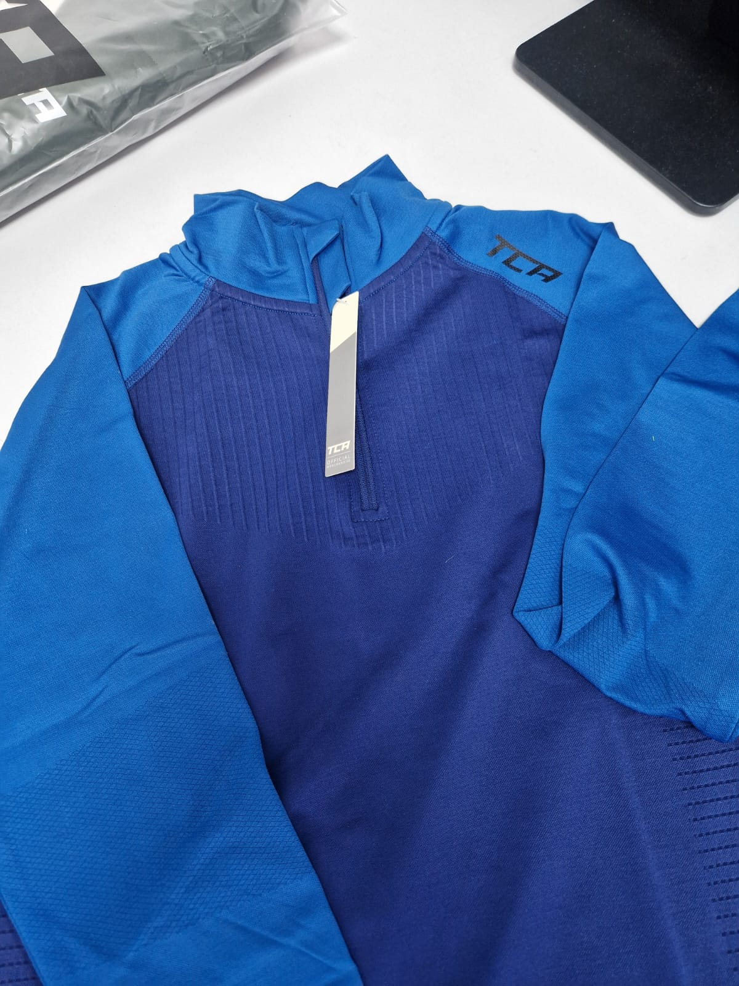
WX TI+Black | WX TI | S-1C2 | 5055906510288 | MeshLuxe Legging - Black, L | Bottom | Tights | High Waist | 88% Polyester 12% Elastane | Womens | Black | L | AW | 58 | Bottom-Tights -High Waist | £5.75 | £333.50 | https://www.amazon.co.uk/dp/B0177UYEF2
WX TI+Black | WX TI | S-1C3 | 5055906510295 | MeshLuxe Legging - Black, XL | Bottom | Tights | High Waist | 88% Polyester 12% Elastane | Womens | Black | XL | AW | 29 | Bottom-Tights -High Waist | £5.75 | £166.75 | https://www.amazon.co.uk/dp/B0177UYHHW
WX TI+Black Viper Print | WX TI | S-1C4 | 5055906510301 | MeshLuxe Legging - Black Viper Print, XS | Bottom | Tights | High Waist | 88% Polyester 12% Elastane | Womens | Black Viper Print | XS | AW | 40 | Bottom-Tights -High Waist | £5.75 | £230.00 | https://www.amazon.co.uk/dp/B0177UYJXE
WX TI+Black Viper Print | WX TI | S-1C5 | 5055906510318 | MeshLuxe Legging - Black Viper Print, S | Bottom | Tights | High Waist | 88% Polyester 12% Elastane | Womens | Black Viper Print | S | AW | 115 | Bottom-Tights -High Waist | £5.75 | £661.25 | https://www.amazon.co.uk/dp/B0177UYM9U
WX TI+Clematis | WX TI | S-1CA | 5055906510363 | MeshLuxe Legging - Clematis, S | Bottom | Tights | High Waist | 88% Polyester 12% Elastane | Womens | Clematis | S | AW | 18 | Bottom-Tights -High Waist | £5.75 | £103.50 | https://www.amazon.co.uk/dp/B0177UYYC0
WX TI+Mulberry | WX TI | S-1CE | 5055906510400 | MeshLuxe Legging - Mulberry, XS | Bottom | Tights | High Waist | 88% Polyester 12% Elastane | Womens | Mulberry | XS | AW | 22 | Bottom-Tights -High Waist | £5.75 | £126.50 | https://www.amazon.co.uk/dp/B0177UYEPM
WX TI+Mulberry | WX TI | S-1CF | 5055906510417 | MeshLuxe Legging - Mulberry, S | Bottom | Tights | High Waist | 88% Polyester 12% Elastane | Womens | Mulberry | S | AW | 31 | Bottom-Tights -High Waist | £5.75 | £178.25 | https://www.amazon.co.uk/dp/B0177UYHMC
WR TA+Sapphire Blue Marl | WR TA | S-1QR | 5055906513456 | Switch-Up Reversible Tank - Sapphire Blue Marl, XS | Top | Tank | Strappy | 100% Polyester | Womens | Sapphire Blue Marl | XS | SS | 71 | Top-Tank -Strappy | £5.00 | £355.00 | https://www.amazon.co.uk/dp/B017ZIFW6G
WR TA+Sapphire Blue Marl | WR TA | S-1QS | 5055906513463 | Switch-Up Reversible Tank - Sapphire Blue Marl, S | Top | Tank | Strappy | 100% Polyester | Womens | Sapphire Blue Marl | S | SS | 22 | Top-Tank -Strappy | £5.00 | £110.00 | https://www.amazon.co.uk/dp/B017ZIFZ2M
WR TA+Sapphire Blue Marl | WR TA | S-1QT | 5055906513470 | Switch-Up Reversible Tank - Sapphire Blue Marl, M | Top | Tank | Strappy | 100% Polyester | Womens | Sapphire Blue Marl | M | SS | 103 | Top-Tank -Strappy | £5.00 | £515.00 | https://www.amazon.co.uk/dp/B017ZIG22O
WR TA+Sapphire Blue Marl | WR TA | S-1QV | 5055906513494 | Switch-Up Reversible Tank - Sapphire Blue Marl, XL | Top | Tank | Strappy | 100% Polyester | Womens | Sapphire Blue Marl | XL | SS | 3 | Top-Tank -Strappy | £5.00 | £15.00 | https://www.amazon.co.uk/dp/B017ZIG86Y
WR TA+Black Marl | WR TA | S-1QW | 5055906513500 | Switch-Up Reversible Tank - Black Marl, XS | Top | Tank | Strappy | 100% Polyester | Womens | Black Marl | XS | SS | 26 | Top-Tank -Strappy | £5.00 | £130.00 | https://www.amazon.co.uk/dp/B017ZIGAWQ
WR TA+Black Marl | WR TA | S-1QX | 5055906513517 | Switch-Up Reversible Tank - Black Marl, S | Top | Tank | Strappy | 100% Polyester | Womens | Black Marl | S | SS | 69 | Top-Tank -Strappy | £5.00 | £345.00 | https://www.amazon.co.uk/dp/B017ZIGDJG
WR TA+Black Marl | WR TA | S-1QY | 5055906513524 | Switch-Up Reversible Tank - Black Marl, M | Top | Tank | Strappy | 100% Polyester | Womens | Black Marl | M | SS | 74 | Top-Tank -Strappy | £5.00 | £370.00 | https://www.amazon.co.uk/dp/B017ZIGGWU
WR TA+Black Marl | WR TA | S-1QZ | 5055906513531 | Switch-Up Reversible Tank - Black Marl, L | Top | Tank | Strappy | 100% Polyester | Womens | Black Marl | L | SS | 10 | Top-Tank -Strappy | £5.00 | £50.00 | https://www.amazon.co.uk/dp/B017ZIGJZO
WR TA+Arcadia Marl | WR TA | S-1R6 | 5055906513609 | Switch-Up Reversible Tank - Arcadia Marl, XS | Top | Tank | Strappy | 100% Polyester | Womens | Arcadia Marl | XS | SS | 49 | Top-Tank -Strappy | £5.00 | £245.00 | https://www.amazon.co.uk/dp/B017ZIG4D6
WR TA+Jewel Marl | WR TA | S-1RB | 5055906513654 | Switch-Up Reversible Tank - Jewel Marl, XS | Top | Tank | Strappy | 100% Polyester | Womens | Jewel Marl | XS | SS | 19 | Top-Tank -Strappy | £5.00 | £95.00 | https://www.amazon.co.uk/dp/B017ZIGK1W
WR TA+Jewel Marl | WR TA | S-1RC | 5055906513661 | Switch-Up Reversible Tank - Jewel Marl, S | Top | Tank | Strappy | 100% Polyester | Womens | Jewel Marl | S | SS | 90 | Top-Tank -Strappy | £5.00 | £450.00 | https://www.amazon.co.uk/dp/B017ZIGMV0
WR TA+Jewel Marl | WR TA | S-1RD | 5055906513678 | Switch-Up Reversible Tank - Jewel Marl, M | Top | Tank | Strappy | 100% Polyester | Womens | Jewel Marl | M | SS | 70 | Top-Tank -Strappy | £5.00 | £350.00 | https://www.amazon.co.uk/dp/B017ZIGPMG
WR TA+Jewel Marl | WR TA | S-1RE | 5055906513685 | Switch-Up Reversible Tank - Jewel Marl, L | Top | Tank | Strappy | 100% Polyester | Womens | Jewel Marl | L | SS | 31 | Top-Tank -Strappy | £5.00 | £155.00 | https://www.amazon.co.uk/dp/B017ZIGSGO
WR TA+Jewel Marl | WR TA | S-1RF | 5055906513692 | Switch-Up Reversible Tank - Jewel Marl, XL | Top | Tank | Strappy | 100% Polyester | Womens | Jewel Marl | XL | SS | 7 | Top-Tank -Strappy | £5.00 | £35.00 | https://www.amazon.co.uk/dp/B017ZIGUYO
WE SV+Liquid Pink Marl | WE SV | S-1SG | 5055906513982 | SuperKnit Engineered Tank - Liquid Pink Marl, L | Top | Tank | Racerback | 56% Nylon 44% Polyester | Womens | Liquid Pink Marl | L | SS | 76 | Top-Tank -Racerback | £5.00 | £380.00 | https://www.amazon.co.uk/dp/B01A1ABGU6
WE SV+Liquid Pink Marl | WE SV | S-1SH | 5055906513999 | SuperKnit Engineered Tank - Liquid Pink Marl, XL | Top | Tank | Racerback | 56% Nylon 44% Polyester | Womens | Liquid Pink Marl | XL | SS | 150 | Top-Tank -Racerback | £5.00 | £750.00 | https://www.amazon.co.uk/dp/B01A1ABI6S
WE SV+Cool Grey Marl | WE SV | S-1SM | 5055906514033 | SuperKnit Engineered Tank - Cool Grey Marl, L | Top | Tank | Racerback | 56% Nylon 44% Polyester | Womens | Cool Grey Marl | L | SS | 38 | Top-Tank -Racerback | £5.00 | £190.00 | https://www.amazon.co.uk/dp/B01A1ABLLK
WE SV+Cool Grey Marl | WE SV | S-1SN | 5055906514040 | SuperKnit Engineered Tank - Cool Grey Marl, XL | Top | Tank | Racerback | 56% Nylon 44% Polyester | Womens | Cool Grey Marl | XL | SS | 31 | Top-Tank -Racerback | £5.00 | £155.00 | https://www.amazon.co.uk/dp/B01A1ABMD2
WE SV+Lime Punch Marl | WE SV | S-1SQ | 5055906514064 | SuperKnit Engineered Tank - Lime Punch Marl, S | Top | Tank | Racerback | 56% Nylon 44% Polyester | Womens | Lime Punch Marl | S | SS | 38 | Top-Tank -Racerback | £5.00 | £190.00 | https://www.amazon.co.uk/dp/B01A1ABO2Q
WE SV+Lime Punch Marl | WE SV | S-1SR | 5055906514071 | SuperKnit Engineered Tank - Lime Punch Marl, M | Top | Tank | Racerback | 56% Nylon 44% Polyester | Womens | Lime Punch Marl | M | SS | 61 | Top-Tank -Racerback | £5.00 | £305.00 | https://www.amazon.co.uk/dp/B01A1ABDVS
WE SV+Lime Punch Marl | WE SV | S-1SS | 5055906514088 | SuperKnit Engineered Tank - Lime Punch Marl, L | Top | Tank | Racerback | 56% Nylon 44% Polyester | Womens | Lime Punch Marl | L | SS | 18 | Top-Tank -Racerback | £5.00 | £90.00 | https://www.amazon.co.uk/dp/B01A1ABEU8
WS TI+Headliner | WS TI | S-1UT | 5055906514972 | SpaceKnit Legging - Headliner, M | Bottom | Tights | High Waist | 90% Polyester 10% Elastane | Womens | Headliner | M | AW | 34 | Bottom-Tights -High Waist | £19.99 | £679.66 | https://www.amazon.co.uk/dp/B01EG5LD7I
WS TI+Ocean Blue | WS TI | S-1UX | 5055906515016 | SpaceKnit Legging - Ocean Blue, S | Bottom | Tights | High Waist | 90% Polyester 10% Elastane | Womens | Ocean Blue | S | AW | 20 | Bottom-Tights -High Waist | £19.99 | £399.80 | https://www.amazon.co.uk/dp/B01EG5LHAQ
WR TA+Sunset Red Marl | WR TA | S-1WJ | 5055906518673 | Switch-Up Reversible Tank - Sunset Red Marl, S | Top | Tank | Strappy | 100% Polyester | Womens | Sunset Red Marl | S | SS | 38 | Top-Tank -Strappy | £5.00 | £190.00 | https://www.amazon.co.uk/dp/B01JIV5E3E
WR TA+Sunset Red Marl | WR TA | S-1WK | 5055906518680 | Switch-Up Reversible Tank - Sunset Red Marl, M | Top | Tank | Strappy | 100% Polyester | Womens | Sunset Red Marl | M | SS | 13 | Top-Tank -Strappy | £5.00 | £65.00 | https://www.amazon.co.uk/dp/B01JIV5SBC
WO TX TI+Asphalt Marl/Quiet Shade Marl | WO TX TI | S-206 | 5055906523363 | Nova Legging - Asphalt Marl/Quiet Shade Marl, XS | Bottom | Tights | High Waist | 87% Polyester 13% Elastane | Womens | Asphalt Marl/Quiet Shade Marl | XS | AW | 141 | Bottom-Tights -High Waist | £11.00 | £1,551.00 | https://www.amazon.co.uk/dp/B01N4GNJ39
WO TX TI+Asphalt Marl/Quiet Shade Marl | WO TX TI | S-20A | 5055906523400 | Nova Legging - Asphalt Marl/Quiet Shade Marl, XL | Bottom | Tights | High Waist | 87% Polyester 13% Elastane | Womens | Asphalt Marl/Quiet Shade Marl | XL | AW | 56 | Bottom-Tights -High Waist | £11.00 | £616.00 | https://www.amazon.co.uk/dp/B01MT1Q0L8
WO TX TI+Asphalt Marl/Pink Lemonade Marl | WO TX TI | S-20K | 5055906523493 | Nova Legging - Asphalt Marl/Pink Lemonade Marl, L | Bottom | Tights | High Waist | 87% Polyester 13% Elastane | Womens | Asphalt Marl/Pink Lemonade Marl | L | AW | 24 | Bottom-Tights -High Waist | £11.00 | £264.00 | https://www.amazon.co.uk/dp/B01N1UZVRY
WO TX TI+Asphalt Marl/Pink Lemonade Marl | WO TX TI | S-20L | 5055906523509 | Nova Legging - Asphalt Marl/Pink Lemonade Marl, XL | Bottom | Tights | High Waist | 87% Polyester 13% Elastane | Womens | Asphalt Marl/Pink Lemonade Marl | XL | AW | 13 | Bottom-Tights -High Waist | £11.00 | £143.00 | https://www.amazon.co.uk/dp/B01N2WKQ0R
WP TI+Black/Charcoal Camo | WP TI | S-243 | 5055906534543 | Graphic High Waist Tights - Black/Charcoal Camo, L | Bottom | Tights | High Waist | 90% Polyester 10% Elastane | Womens | Black/Charcoal Camo | L | AW | 56 | Bottom-Tights -High Waist | £5.79 | £324.24 | https://www.amazon.co.uk/dp/B076WZDYGN
MN SH+Black | MN SH | S-26H | 5055906520164 | Natural Performance Bamboo Short - Black, S | Bottom | Shorts | High Waist | 92% Polyester 8% Elastane | Mens | Black | S | SS | 32 | Bottom-Shorts -High Waist | £11.99 | £383.68 | https://www.amazon.co.uk/dp/B01N5MLURH
MN SH+Black | MN SH | S-26L | 5055906520195 | Natural Performance Bamboo Short - Black, XL | Bottom | Shorts | High Waist | 92% Polyester 8% Elastane | Mens | Black | XL | SS | 7 | Bottom-Shorts -High Waist | £11.99 | £83.93 | https://www.amazon.co.uk/dp/B01N6O50JK
MN SH+Burgundy | MN SH | S-270 | 5055906520331 | Natural Performance Bamboo Short - Burgundy, L | Bottom | Shorts | High Waist | 92% Polyester 8% Elastane | Mens | Burgundy | L | SS | 108 | Bottom-Shorts -High Waist | £11.99 | £1,294.92 | https://www.amazon.co.uk/dp/B01N317YS0
MN SH+Viridian | MN SH | S-273 | 5055906520362 | Natural Performance Bamboo Short - Viridian, S | Bottom | Shorts | High Waist | 92% Polyester 8% Elastane | Mens | Viridian | S | SS | 16 | Bottom-Shorts -High Waist | £11.99 | £191.84 | https://www.amazon.co.uk/dp/B01N5MNRUE
MN SH+Viridian | MN SH | S-274 | 5055906520379 | Natural Performance Bamboo Short - Viridian, M | Bottom | Shorts | High Waist | 92% Polyester 8% Elastane | Mens | Viridian | M | SS | 105 | Bottom-Shorts -High Waist | £11.99 | £1,258.95 | https://www.amazon.co.uk/dp/B01N7PJCYC
MN SH+Viridian | MN SH | S-275 | 5055906520386 | Natural Performance Bamboo Short - Viridian, L | Bottom | Shorts | High Waist | 92% Polyester 8% Elastane | Mens | Viridian | L | SS | 179 | Bottom-Shorts -High Waist | £11.99 | £2,146.21 | https://www.amazon.co.uk/dp/B01N5MQOKB
MN SH+Viridian | MN SH | S-276 | 5055906520393 | Natural Performance Bamboo Short - Viridian, XL | Bottom | Shorts | High Waist | 92% Polyester 8% Elastane | Mens | Viridian | XL | SS | 22 | Bottom-Shorts -High Waist | £11.99 | £263.78 | https://www.amazon.co.uk/dp/B01N0Y76HN
WN TA+Black/Quiet Shade | WN TA | S-28X | 5055906520980 | Natural Performance Racerback Tank - Black/Quiet Shade, M | Top | Tank | Racerback | 50% Cotton 50% Lyocell | Womens | Black/Quiet Shade | M | SS | 34 | Top-Tank -Racerback | £3.75 | £127.50 | https://www.amazon.co.uk/dp/B0722KJPB6
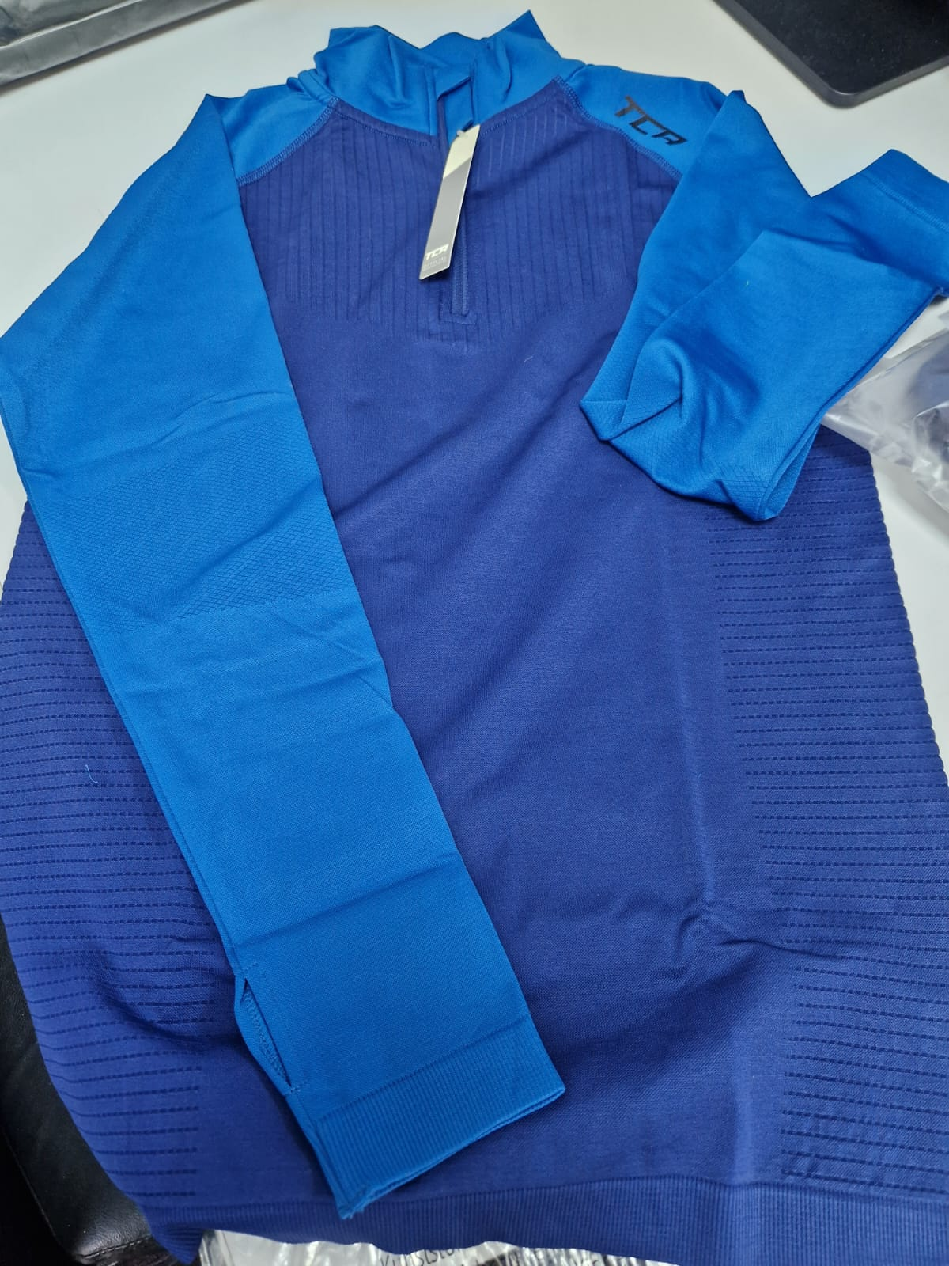
WO RT+Black | WO RT | S-2C4 | 5055906522076 | Elle Tank - Black, S | Top | Tank | Racerback | 42% Nylon, 47% Polyester, 11% Elastane | Womens | Black | S | SS | 65 | Top-Tank -Racerback | £11.99 | £779.35 | https://www.amazon.co.uk/dp/B01MS4D9T7
WO RT+Black | WO RT | S-2C5 | 5055906522083 | Elle Tank - Black, M | Top | Tank | Racerback | 42% Nylon, 47% Polyester, 11% Elastane | Womens | Black | M | SS | 37 | Top-Tank -Racerback | £11.99 | £443.63 | https://www.amazon.co.uk/dp/B01N6NT7AN
WO RT+Black | WO RT | S-2C6 | 5055906522090 | Elle Tank - Black, L | Top | Tank | Racerback | 42% Nylon, 47% Polyester, 11% Elastane | Womens | Black | L | SS | 40 | Top-Tank -Racerback | £11.99 | £479.60 | https://www.amazon.co.uk/dp/B01N4KZPX1
WO RT+Cerise | WO RT | S-2CL | 5055906522236 | Elle Tank - Cerise, M | Top | Tank | Racerback | 42% Nylon, 47% Polyester, 11% Elastane | Womens | Cerise | M | SS | 48 | Top-Tank -Racerback | £11.99 | £575.52 | https://www.amazon.co.uk/dp/B01NCT32FQ
WO RT+Cerise | WO RT | S-2CM | 5055906522243 | Elle Tank - Cerise, L | Top | Tank | Racerback | 42% Nylon, 47% Polyester, 11% Elastane | Womens | Cerise | L | SS | 17 | Top-Tank -Racerback | £11.99 | £203.83 | https://www.amazon.co.uk/dp/B01N30VEPK
WO RT+French Lilac | WO RT | S-2CP | 5055906522267 | Elle Tank - French Lilac, XS | Top | Tank | Racerback | 42% Nylon, 47% Polyester, 11% Elastane | Womens | French Lilac | XS | SS | 41 | Top-Tank -Racerback | £11.99 | £491.59 | https://www.amazon.co.uk/dp/B01NBRMUPS
ME HERO HZ+Black/Asphalt | ME HERO HZ | S-2CV | 5055906523677 | Legend SuperKnit Engineered Half Zip - Black/Asphalt, M | Top | Long Sleeve | Half Zip | 92% Polyester 8% Elastane | Mens | Black/Asphalt | M | AW | 50 | Top-Long Sleeve -Half Zip | £19.99 | £999.50 | https://www.amazon.co.uk/dp/B07JPKBXT1
ME HERO HZ+Black/Asphalt | ME HERO HZ | S-2CX | 5055906523691 | Legend SuperKnit Engineered Half Zip - Black/Asphalt, XL | Top | Long Sleeve | Half Zip | 92% Polyester 8% Elastane | Mens | Black/Asphalt | XL | AW | 110 | Top-Long Sleeve -Half Zip | £19.99 | £2,198.90 | https://www.amazon.co.uk/dp/B07JQJBFYM
ME HERO HZ+Midnight/Uniform Blue | ME HERO HZ | S-2D0 | 5055906523721 | Legend SuperKnit Engineered Half Zip - Midnight/Uniform Blue, M | Top | Long Sleeve | Half Zip | 92% Polyester 8% Elastane | Mens | Midnight/Uniform Blue | M | AW | 119 | Top-Long Sleeve -Half Zip | £19.99 | £2,378.81 | https://www.amazon.co.uk/dp/B07JP9WPQY
ME HERO HZ+Midnight/Uniform Blue | ME HERO HZ | S-2D2 | 5055906523745 | Legend SuperKnit Engineered Half Zip - Midnight/Uniform Blue, XL | Top | Long Sleeve | Half Zip | 92% Polyester 8% Elastane | Mens | Midnight/Uniform Blue | XL | AW | 115 | Top-Long Sleeve -Half Zip | £19.99 | £2,298.85 | https://www.amazon.co.uk/dp/B07JNT6FCR
ME HERO HZ+Cherry Red/Radar | ME HERO HZ | S-2D5 | 5055906523776 | Legend SuperKnit Engineered Half Zip - Cherry Red/Radar, M | Top | Long Sleeve | Half Zip | 92% Polyester 8% Elastane | Mens | Cherry Red/Radar | M | AW | 77 | Top-Long Sleeve -Half Zip | £19.99 | £1,539.23 | https://www.amazon.co.uk/dp/B07JPJ9R8F
ME HERO HZ+Cherry Red/Radar | ME HERO HZ | S-2D7 | 5055906523790 | Legend SuperKnit Engineered Half Zip - Cherry Red/Radar, XL | Top | Long Sleeve | Half Zip | 92% Polyester 8% Elastane | Mens | Cherry Red/Radar | XL | AW | 143 | Top-Long Sleeve -Half Zip | £19.99 | £2,858.57 | https://www.amazon.co.uk/dp/B07JPWZTKY
WO HERO HZ+Black/Black | WO HERO HZ | S-2D9 | 5055906523813 | Legend SuperKnit Engineered Half Zip - Black/Black, XS | Top | Long Sleeve | Half Zip | 92% Polyester 8% Elastane | Womens | Black/Black | XS | AW | 247 | Top-Long Sleeve -Half Zip | £22.99 | £5,678.53 | https://www.amazon.co.uk/dp/B07JPDFHMC
WO HERO HZ+Lagoon/Aqua | WO HERO HZ | S-2DE | 5055906523868 | Legend SuperKnit Engineered Half Zip - Lagoon/Aqua, XS | Top | Long Sleeve | Half Zip | 92% Polyester 8% Elastane | Womens | Lagoon/Aqua | XS | AW | 256 | Top-Long Sleeve -Half Zip | £22.99 | £5,885.44 | https://www.amazon.co.uk/dp/B07JPZ78WH
WO HERO HZ+Lagoon/Aqua | WO HERO HZ | S-2DF | 5055906523875 | Legend SuperKnit Engineered Half Zip - Lagoon/Aqua, S | Top | Long Sleeve | Half Zip | 92% Polyester 8% Elastane | Womens | Lagoon/Aqua | S | AW | 45 | Top-Long Sleeve -Half Zip | £22.99 | £1,034.55 | https://www.amazon.co.uk/dp/B07JPYVZ99
WO HERO HZ+Spectrum/ Violet Storm | WO HERO HZ | S-2DK | 5055906523912 | Legend SuperKnit Engineered Half Zip - Spectrum/ Violet Storm, XS | Top | Long Sleeve | Half Zip | 92% Polyester 8% Elastane | Womens | Spectrum/ Violet Storm | XS | AW | 380 | Top-Long Sleeve -Half Zip | £22.99 | £8,736.20 | https://www.amazon.co.uk/dp/B07JNXN4GZ
WO HERO HZ+Spectrum/ Violet Storm | WO HERO HZ | S-2DL | 5055906523929 | Legend SuperKnit Engineered Half Zip - Spectrum/ Violet Storm, S | Top | Long Sleeve | Half Zip | 92% Polyester 8% Elastane | Womens | Spectrum/ Violet Storm | S | AW | 247 | Top-Long Sleeve -Half Zip | £22.99 | £5,678.53 | https://www.amazon.co.uk/dp/B07JPZKKN2
WO HERO HZ+Spectrum/ Violet Storm | WO HERO HZ | S-2DM | 5055906523936 | Legend SuperKnit Engineered Half Zip - Spectrum/ Violet Storm, M | Top | Long Sleeve | Half Zip | 92% Polyester 8% Elastane | Womens | Spectrum/ Violet Storm | M | AW | 240 | Top-Long Sleeve -Half Zip | £22.99 | £5,517.60 | https://www.amazon.co.uk/dp/B07JPD8Z9K
WO TE TI+Black | WO TE TI | S-2DQ | 5055906523967 | SuperKnit Seamless Legging - Black, XS | Bottom | Tights | High Waist | 92% Polyester 8% Elastane | Womens | Black | XS | AW | 95 | Bottom-Tights -High Waist | £11.99 | £1,139.05 | https://www.amazon.co.uk/dp/B07LH6QKJD
WO TE TI+Black | WO TE TI | S-2DR | 5055906523974 | SuperKnit Seamless Legging - Black, S | Bottom | Tights | High Waist | 92% Polyester 8% Elastane | Womens | Black | S | AW | 94 | Bottom-Tights -High Waist | £11.99 | £1,127.06 | https://www.amazon.co.uk/dp/B07LH616WB
WO TE TI+Black | WO TE TI | S-2DS | 5055906523981 | SuperKnit Seamless Legging - Black, M | Bottom | Tights | High Waist | 92% Polyester 8% Elastane | Womens | Black | M | AW | 23 | Bottom-Tights -High Waist | £11.99 | £275.77 | https://www.amazon.co.uk/dp/B07LH6N5VR
WO TE TI+Clematis | WO TE TI | S-2DV | 5055906524018 | SuperKnit Seamless Legging - Clematis, XS | Bottom | Tights | High Waist | 92% Polyester 8% Elastane | Womens | Clematis | XS | AW | 81 | Bottom-Tights -High Waist | £11.99 | £971.19 | https://www.amazon.co.uk/dp/B07LH6KCR5
WO TE TI+Clematis | WO TE TI | S-2DW | 5055906524025 | SuperKnit Seamless Legging - Clematis, S | Bottom | Tights | High Waist | 92% Polyester 8% Elastane | Womens | Clematis | S | AW | 50 | Bottom-Tights -High Waist | £11.99 | £599.50 | https://www.amazon.co.uk/dp/B07LH5T33J
WO TE TI+Clematis | WO TE TI | S-2DX | 5055906524032 | SuperKnit Seamless Legging - Clematis, M | Bottom | Tights | High Waist | 92% Polyester 8% Elastane | Womens | Clematis | M | AW | 58 | Bottom-Tights -High Waist | £11.99 | £695.42 | https://www.amazon.co.uk/dp/B07LGW7WSF
WO TE TI+Burgundy | WO TE TI | S-2E0 | 5055906524063 | SuperKnit Seamless Legging - Burgundy, XS | Bottom | Tights | High Waist | 92% Polyester 8% Elastane | Womens | Burgundy | XS | AW | 59 | Bottom-Tights -High Waist | £11.99 | £707.41 | https://www.amazon.co.uk/dp/B07LH8P1SP
WO TE TI+Burgundy | WO TE TI | S-2E1 | 5055906524070 | SuperKnit Seamless Legging - Burgundy, S | Bottom | Tights | High Waist | 92% Polyester 8% Elastane | Womens | Burgundy | S | AW | 51 | Bottom-Tights -High Waist | £11.99 | £611.49 | https://www.amazon.co.uk/dp/B07LH6KVXW
WO TE TI+Burgundy | WO TE TI | S-2E2 | 5055906524087 | SuperKnit Seamless Legging - Burgundy, M | Bottom | Tights | High Waist | 92% Polyester 8% Elastane | Womens | Burgundy | M | AW | 22 | Bottom-Tights -High Waist | £11.99 | £263.78 | https://www.amazon.co.uk/dp/B07LH59HK2
MT RT+Black/Black | MT RT | S-2FG | 5055906522564 | Power Tight - Black/Black, S | Bottom | Tights | High Waist | 88% Polyester 12% Elastane | Mens | Black/Black | S | AW | 30 | Bottom-Tights -High Waist | £11.49 | £344.70 | https://www.amazon.co.uk/dp/B072MSD1GH
WO HERO TI+Black | WO HERO TI | S-2HP | 5055906524360 | Hero Legging - Black, XS | Bottom | Tights | High Waist | 88% Nylon, 12% Elastane | Womens | Black | XS | AW | 48 | Bottom-Tights -High Waist | £21.99 | £1,055.52 | https://www.amazon.co.uk/dp/B0764B8Z9X
WO HERO TI+Lagoon | WO HERO TI | S-2HU | 5055906524414 | Hero Legging - Lagoon, XS | Bottom | Tights | High Waist | 88% Nylon, 12% Elastane | Womens | Lagoon | XS | AW | 32 | Bottom-Tights -High Waist | £21.99 | £703.68 | https://www.amazon.co.uk/dp/B0764C62R8
WO HERO TI+Lagoon | WO HERO TI | S-2HV | 5055906524421 | Hero Legging - Lagoon, S | Bottom | Tights | High Waist | 88% Nylon, 12% Elastane | Womens | Lagoon | S | AW | 70 | Bottom-Tights -High Waist | £21.99 | £1,539.30 | https://www.amazon.co.uk/dp/B0764C8Q8J
WO HERO TI+Lagoon | WO HERO TI | S-2HW | 5055906524438 | Hero Legging - Lagoon, M | Bottom | Tights | High Waist | 88% Nylon, 12% Elastane | Womens | Lagoon | M | AW | 16 | Bottom-Tights -High Waist | £21.99 | £351.84 | https://www.amazon.co.uk/dp/B0764BX15S
WO HERO TI+Spectrum/Violet Storm | WO HERO TI | S-2HZ | 5055906524469 | Hero Legging - Spectrum/Violet Storm, XS | Bottom | Tights | High Waist | 88% Nylon, 12% Elastane | Womens | Spectrum/Violet Storm | XS | AW | 41 | Bottom-Tights -High Waist | £21.99 | £901.59 | https://www.amazon.co.uk/dp/B07649YQQB
WO HERO TI+Spectrum/Violet Storm | WO HERO TI | S-2J0 | 5055906524476 | Hero Legging - Spectrum/Violet Storm, S | Bottom | Tights | High Waist | 88% Nylon, 12% Elastane | Womens | Spectrum/Violet Storm | S | AW | 88 | Bottom-Tights -High Waist | £21.99 | £1,935.12 | https://www.amazon.co.uk/dp/B07649HZ62
WO HERO TI+Spectrum/Violet Storm | WO HERO TI | S-2J1 | 5055906524483 | Hero Legging - Spectrum/Violet Storm, M | Bottom | Tights | High Waist | 88% Nylon, 12% Elastane | Womens | Spectrum/Violet Storm | M | AW | 44 | Bottom-Tights -High Waist | £21.99 | £967.56 | https://www.amazon.co.uk/dp/B0764BGWBH
ME HERO TP+Black Marl | ME HERO TP | S-2J8 | 5055906524551 | Challenger Tapered Track Pant - Black Marl, XXL | Bottom | Trackpant | High Waist | 88% Polyester 12% Elastane | Mens | Black Marl | XXL | AW | 14 | Bottom-Trackpant -High Waist | £44.99 | £629.86 | https://www.amazon.co.uk/dp/B076VRFSL9
WO TX HZ+Greenlake | WO TX HZ | S-2NG | 5055906525992 | Cloud Fleece 1/4 Zip - Greenlake, L | Top | Long Sleeve | Half Zip | 100% Polyester | Womens | Greenlake | L | AW | 32 | Top-Long Sleeve -Half Zip | £22.99 | £735.68 | https://www.amazon.co.uk/dp/B074TGC12R
ME TX HZ+Sky | ME TX HZ | S-2PE | 5055906526319 | Cloud Fleece 1/4 Zip - Sky, S | Top | Long Sleeve | Half Zip | 100% Polyester | Mens | Sky | S | AW | 20 | Top-Long Sleeve -Half Zip | £21.99 | £439.80 | https://www.amazon.co.uk/dp/B073FBTVWT
WM CR+Black/Black | WM CR | S-2VA | 5055906528016 | Hex Crop - Black/Black, XS | Top | Crop | Strappy | 90% Polyester 10% Elastane | Womens | Black/Black | XS | SS | 27 | Top-Crop -Strappy | £11.99 | £323.73 | https://www.amazon.co.uk/dp/B079H1L8BF
WM CR+Black/Black | WM CR | S-2VB | 5055906528023 | Hex Crop - Black/Black, S | Top | Crop | Strappy | 90% Polyester 10% Elastane | Womens | Black/Black | S | SS | 166 | Top-Crop -Strappy | £11.99 | £1,990.34 | https://www.amazon.co.uk/dp/B079H1NTVL
WM CR+Black/Black | WM CR | S-2VC | 5055906528030 | Hex Crop - Black/Black, M | Top | Crop | Strappy | 90% Polyester 10% Elastane | Womens | Black/Black | M | SS | 70 | Top-Crop -Strappy | £11.99 | £839.30 | https://www.amazon.co.uk/dp/B079H2HZWL
WM CR+Black/Black | WM CR | S-2VD | 5055906528047 | Hex Crop - Black/Black, L | Top | Crop | Strappy | 90% Polyester 10% Elastane | Womens | Black/Black | L | SS | 2 | Top-Crop -Strappy | £11.99 | £23.98 | https://www.amazon.co.uk/dp/B079H12LGY
WM CR+Black/Black | WM CR | S-2VE | 5055906528054 | Hex Crop - Black/Black, XL | Top | Crop | Strappy | 90% Polyester 10% Elastane | Womens | Black/Black | XL | SS | 6 | Top-Crop -Strappy | £11.99 | £71.94 | https://www.amazon.co.uk/dp/B079H1VN68
WM CR+Black/Lime Punch | WM CR | S-2VF | 5055906528061 | Hex Crop - Black/Lime Punch, XS | Top | Crop | Strappy | 90% Polyester 10% Elastane | Womens | Black/Lime Punch | XS | SS | 28 | Top-Crop -Strappy | £11.99 | £335.72 | https://www.amazon.co.uk/dp/B079H1SJRG
WM CR+Black/Lime Punch | WM CR | S-2VG | 5055906528078 | Hex Crop - Black/Lime Punch, S | Top | Crop | Strappy | 90% Polyester 10% Elastane | Womens | Black/Lime Punch | S | SS | 107 | Top-Crop -Strappy | £11.99 | £1,282.93 | https://www.amazon.co.uk/dp/B079H22X1V
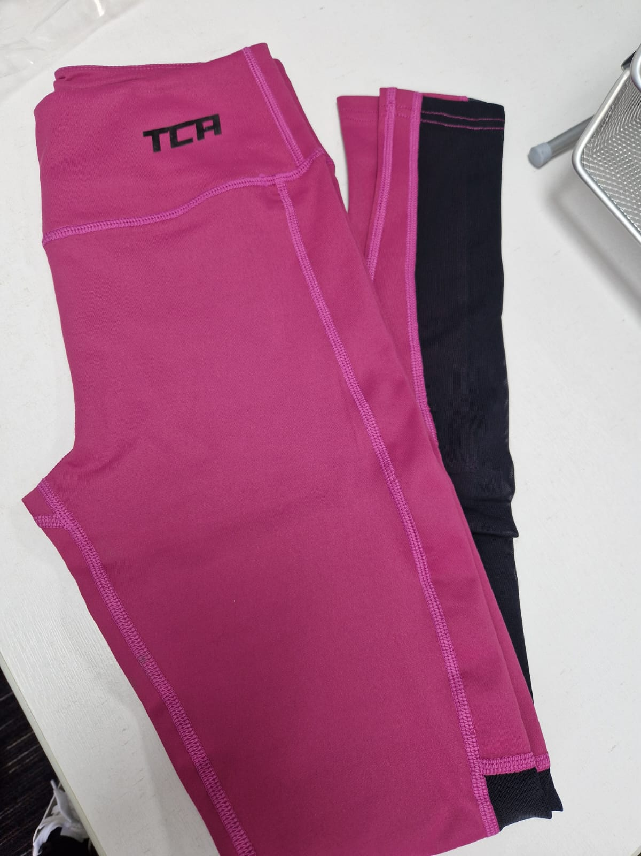
WM CR+Black/Lime Punch | WM CR | S-2VH | 5055906528085 | Hex Crop - Black/Lime Punch, M | Top | Crop | Strappy | 90% Polyester 10% Elastane | Womens | Black/Lime Punch | M | SS | 53 | Top-Crop -Strappy | £11.99 | £635.47 | https://www.amazon.co.uk/dp/B079H1B6T7
WM CR+Black/Lime Punch | WM CR | S-2VJ | 5055906528092 | Hex Crop - Black/Lime Punch, L | Top | Crop | Strappy | 90% Polyester 10% Elastane | Womens | Black/Lime Punch | L | SS | 2 | Top-Crop -Strappy | £11.99 | £23.98 | https://www.amazon.co.uk/dp/B079H1B72N
WM CR+Black/Lime Punch | WM CR | S-2VK | 5055906528108 | Hex Crop - Black/Lime Punch, XL | Top | Crop | Strappy | 90% Polyester 10% Elastane | Womens | Black/Lime Punch | XL | SS | 4 | Top-Crop -Strappy | £11.99 | £47.96 | https://www.amazon.co.uk/dp/B079H11Y7R
WM TT+Black/Black | WM TT | S-2W1 | 5055906528269 | Hex 2 in 1 Tank & Crop - Black/Black, XS | Top | Tank | Two in One | 90% Polyester 10% Elastane | Womens | Black/Black | XS | SS | 50 | Top-Tank -Two in One | £14.99 | £749.50 | https://www.amazon.co.uk/dp/B079GZQ46K
WM TT+Black/Black | WM TT | S-2W2 | 5055906528276 | Hex 2 in 1 Tank & Crop - Black/Black, S | Top | Tank | Two in One | 90% Polyester 10% Elastane | Womens | Black/Black | S | SS | 50 | Top-Tank -Two in One | £14.99 | £749.50 | https://www.amazon.co.uk/dp/B079GYPYTL
WM TT+Black/Black | WM TT | S-2W3 | 5055906528283 | Hex 2 in 1 Tank & Crop - Black/Black, M | Top | Tank | Two in One | 90% Polyester 10% Elastane | Womens | Black/Black | M | SS | 18 | Top-Tank -Two in One | £14.99 | £269.82 | https://www.amazon.co.uk/dp/B079H18TQW
WM TT+Black/Black | WM TT | S-2W4 | 5055906528290 | Hex 2 in 1 Tank & Crop - Black/Black, L | Top | Tank | Two in One | 90% Polyester 10% Elastane | Womens | Black/Black | L | SS | 4 | Top-Tank -Two in One | £14.99 | £59.96 | https://www.amazon.co.uk/dp/B079H2XCRC
WT TA+Asphalt/Black | WT TA | S-2WT | 5055906528528 | Tech Tank - Asphalt/Black, S | Top | Tank | Strappy | 90% Polyester 10% Elastane | Womens | Asphalt/Black | S | SS | 44 | Top-Tank -Strappy | £5.75 | £253.00 | https://www.amazon.co.uk/dp/B076X71CQM
WT TS+High Risk Red | WT TS | S-2Z6 | 5055906529334 | Lift Off Short - High Risk Red, M | Bottom | Shorts | High Waist | 95% Polyester 5% Elastane | Womens | High Risk Red | M | SS | 82 | Bottom-Shorts -High Waist | £11.99 | £983.18 | https://www.amazon.co.uk/dp/B076VHP3HQ
WO BA LS+Black | WO BA LS | S-33E | 5055906530774 | Air Long Sleeve - Black, S | Top | Long Sleeve | Scoop Neck | 92% Polyester 8% Elastane | Womens | Black | S | AW | 56 | Top-Long Sleeve -Scoop Neck | £19.99 | £1,119.44 | https://www.amazon.co.uk/dp/B0767MRK6C
ME DE TE+Black | ME DE TE | S-36B | 5055906531764 | Radius Short Sleeve - Black, S | Top | Short Sleeve | Crew Neck | 90% Polyester 10% Elastane | Mens | Black | S | SS | 18 | Top-Short Sleeve -Crew Neck | £21.99 | £395.82 | https://www.amazon.co.uk/dp/B076VCRNZZ
ME DE TE+Black | ME DE TE | S-36C | 5055906531771 | Radius Short Sleeve - Black, M | Top | Short Sleeve | Crew Neck | 90% Polyester 10% Elastane | Mens | Black | M | SS | 17 | Top-Short Sleeve -Crew Neck | £21.99 | £373.83 | https://www.amazon.co.uk/dp/B076VLSRLN
ME DE TE+Black | ME DE TE | S-36D | 5055906531788 | Radius Short Sleeve - Black, L | Top | Short Sleeve | Crew Neck | 90% Polyester 10% Elastane | Mens | Black | L | SS | 21 | Top-Short Sleeve -Crew Neck | £21.99 | £461.79 | https://www.amazon.co.uk/dp/B076VJG635
ME DE TE+Black | ME DE TE | S-36F | 5055906531801 | Radius Short Sleeve - Black, XXL | Top | Short Sleeve | Crew Neck | 90% Polyester 10% Elastane | Mens | Black | XXL | SS | 6 | Top-Short Sleeve -Crew Neck | £21.99 | £131.94 | https://www.amazon.co.uk/dp/B076VF6RRW
ME DE TE+Quiet Shade | ME DE TE | S-36H | 5055906531825 | Radius Short Sleeve - Quiet Shade, M | Top | Short Sleeve | Crew Neck | 90% Polyester 10% Elastane | Mens | Quiet Shade | M | SS | 10 | Top-Short Sleeve -Crew Neck | £21.99 | £219.90 | https://www.amazon.co.uk/dp/B076VHW16N
ME DE TE+Quiet Shade | ME DE TE | S-36J | 5055906531832 | Radius Short Sleeve - Quiet Shade, L | Top | Short Sleeve | Crew Neck | 90% Polyester 10% Elastane | Mens | Quiet Shade | L | SS | 15 | Top-Short Sleeve -Crew Neck | £21.99 | £329.85 | https://www.amazon.co.uk/dp/B076VKP362
MD CT+Black Camo | MD CT | S-388 | 5055906532419 | Digital Combat Tights - Black Camo, S | Bottom | Tights | High Waist | 88% Polyester 12% Elastane | Mens | Black Camo | S | AW | 115 | Bottom-Tights -High Waist | £11.99 | £1,378.85 | https://www.amazon.co.uk/dp/B074ZKM2KX
MD CT+Black Camo | MD CT | S-389 | 5055906532426 | Digital Combat Tights - Black Camo, M | Bottom | Tights | High Waist | 88% Polyester 12% Elastane | Mens | Black Camo | M | AW | 95 | Bottom-Tights -High Waist | £11.99 | £1,139.05 | https://www.amazon.co.uk/dp/B074Z9ZRKJ
MD CT+Black Camo | MD CT | S-38A | 5055906532433 | Digital Combat Tights - Black Camo, L | Bottom | Tights | High Waist | 88% Polyester 12% Elastane | Mens | Black Camo | L | AW | 21 | Bottom-Tights -High Waist | £11.99 | £251.79 | https://www.amazon.co.uk/dp/B074ZJCLX7
MD CT+Grey Camo | MD CT | S-38D | 5055906532464 | Digital Combat Tights - Grey Camo, S | Bottom | Tights | High Waist | 88% Polyester 12% Elastane | Mens | Grey Camo | S | AW | 11 | Bottom-Tights -High Waist | £11.99 | £131.89 | https://www.amazon.co.uk/dp/B074ZGXMJ6
MD CT+Grey Camo | MD CT | S-38E | 5055906532471 | Digital Combat Tights - Grey Camo, M | Bottom | Tights | High Waist | 88% Polyester 12% Elastane | Mens | Grey Camo | M | AW | 13 | Bottom-Tights -High Waist | £11.99 | £155.87 | https://www.amazon.co.uk/dp/B074ZNRM27
MD CT+Grey Camo | MD CT | S-38F | 5055906532488 | Digital Combat Tights - Grey Camo, L | Bottom | Tights | High Waist | 88% Polyester 12% Elastane | Mens | Grey Camo | L | AW | 35 | Bottom-Tights -High Waist | £11.99 | £419.65 | https://www.amazon.co.uk/dp/B074ZKS4V1
MD CT+Ceramic Camo | MD CT | S-38K | 5055906532525 | Digital Combat Tights - Ceramic Camo, M | Bottom | Tights | High Waist | 88% Polyester 12% Elastane | Mens | Ceramic Camo | M | AW | 37 | Bottom-Tights -High Waist | £11.99 | £443.63 | https://www.amazon.co.uk/dp/B074ZQ1K26
MD CT+Ceramic Camo | MD CT | S-38L | 5055906532532 | Digital Combat Tights - Ceramic Camo, L | Bottom | Tights | High Waist | 88% Polyester 12% Elastane | Mens | Ceramic Camo | L | AW | 20 | Bottom-Tights -High Waist | £11.99 | £239.80 | https://www.amazon.co.uk/dp/B074ZK3KVN
MD CT+Ceramic Camo | MD CT | S-38M | 5055906532549 | Digital Combat Tights - Ceramic Camo, XL | Bottom | Tights | High Waist | 88% Polyester 12% Elastane | Mens | Ceramic Camo | XL | AW | 12 | Bottom-Tights -High Waist | £11.99 | £143.88 | https://www.amazon.co.uk/dp/B074ZJ9WZ8
ME BA TE GC+Black | ME BA TE GC | S-38U | 5055906532617 | Essential Grid Check Short Sleeve - Black, S | Top | Short Sleeve | Crew Neck | 100% Polyester | Mens | Black | S | SS | 22 | Top-Short Sleeve -Crew Neck | £11.99 | £263.78 | https://www.amazon.co.uk/dp/B074ZMC51D
ME BA TE GC+Black | ME BA TE GC | S-38V | 5055906532624 | Essential Grid Check Short Sleeve - Black, M | Top | Short Sleeve | Crew Neck | 100% Polyester | Mens | Black | M | SS | 109 | Top-Short Sleeve -Crew Neck | £11.99 | £1,306.91 | https://www.amazon.co.uk/dp/B074ZH3J59
ME FX CA+Black/Black | ME FX CA | S-39N | 5055906532891 | FX Laser Compression Capri - Black/Black, XL | Bottom | Capri | High Waist | 88% Polyester 12% Elastane | Mens | Black/Black | XL | SS | 15 | Bottom-Capri -High Waist | £9.25 | £138.75 | https://www.amazon.co.uk/dp/B0761VX4HM
MD CT+Blue Camo | MD CT | S-3BB | 5055906527965 | Digital Combat Tights - Blue Camo, S | Bottom | Tights | High Waist | 88% Polyester 12% Elastane | Mens | Blue Camo | S | AW | 28 | Bottom-Tights -High Waist | £16.99 | £475.72 | https://www.amazon.co.uk/dp/B074ZQ3L19
MD CT+Blue Camo | MD CT | S-3BC | 5055906527972 | Digital Combat Tights - Blue Camo, M | Bottom | Tights | High Waist | 88% Polyester 12% Elastane | Mens | Blue Camo | M | AW | 10 | Bottom-Tights -High Waist | £16.99 | £169.90 | https://www.amazon.co.uk/dp/B074ZLYR5T
ME BA LS GC+Black | ME BA LS GC | S-3CY | 5055906536868 | Essentials 7/8 Tights - Black, S | Top | Long Sleeve | Crew Neck | 100% Polyester | Mens | Black | S | AW | 49 | Top-Long Sleeve -Crew Neck | £11.99 | £587.51 | https://www.amazon.co.uk/dp/B075JMMB5N
ME BA LS GC+Black | ME BA LS GC | S-3CZ | 5055906536875 | Essentials 7/8 Tights - Black, M | Top | Long Sleeve | Crew Neck | 100% Polyester | Mens | Black | M | AW | 58 | Top-Long Sleeve -Crew Neck | £11.99 | £695.42 | https://www.amazon.co.uk/dp/B075JN2J89
ME BA LS GC+Black | ME BA LS GC | S-3D1 | 5055906536899 | Essentials 7/8 Tights - Black, XL | Top | Long Sleeve | Crew Neck | 100% Polyester | Mens | Black | XL | AW | 79 | Top-Long Sleeve -Crew Neck | £11.99 | £947.21 | https://www.amazon.co.uk/dp/B075JN1N25
ME BA LS GC+Navy | ME BA LS GC | S-3DG | 5055906537049 | Essentials 7/8 Tights - Navy, XL | Top | Long Sleeve | Crew Neck | 100% Polyester | Mens | Navy | XL | AW | 26 | Top-Long Sleeve -Crew Neck | £11.99 | £311.74 | https://www.amazon.co.uk/dp/B075JKL5V8
MT TP+Forest Night | MT TP | S-3DT | 5055906537209 | Rapid Tapered Track Pant - Forest Night, XXL | Bottom | Trackpant | High Waist | 91% Polyester 9% Elastane | Mens | Forest Night | XXL | AW | 58 | Bottom-Trackpant -High Waist | £19.99 | £1,159.42 | https://www.amazon.co.uk/dp/B0752D34T1
WO WE TI+Black | WO WE TI | S-3FL | 5055906538305 | Supreme 7/8 Legging - Black, XS | Bottom | Tights | High Waist | 88% Polyester 12% Elastane | Womens | Black | XS | AW | 14 | Bottom-Tights-High Waist | £11.99 | £167.86 | https://www.amazon.co.uk/dp/B08L43DV19
WO WE TI+Black | WO WE TI | S-3FM | 5055906538312 | Supreme 7/8 Legging - Black, S | Bottom | Tights | High Waist | 88% Polyester 12% Elastane | Womens | Black | S | AW | 2 | Bottom-Tights-High Waist | £11.99 | £23.98 | https://www.amazon.co.uk/dp/B08L42R85P
WO WE TI+Black | WO WE TI | S-3FN | 5055906538329 | Supreme 7/8 Legging - Black, M | Bottom | Tights | High Waist | 88% Polyester 12% Elastane | Womens | Black | M | AW | 65 | Bottom-Tights-High Waist | £11.99 | £779.35 | https://www.amazon.co.uk/dp/B08L429TTG
WO WE TI+Black | WO WE TI | S-3FP | 5055906538336 | Supreme 7/8 Legging - Black, L | Bottom | Tights | High Waist | 88% Polyester 12% Elastane | Womens | Black | L | AW | 84 | Bottom-Tights-High Waist | £11.99 | £1,007.16 | https://www.amazon.co.uk/dp/B07LH7G99V
WO WE TI+Medieval Blue | WO WE TI | S-3FS | 5055906538367 | Supreme 7/8 Legging - Medieval Blue, S | Bottom | Tights | High Waist | 88% Polyester 12% Elastane | Womens | Medieval Blue | S | AW | 9 | Bottom-Tights-High Waist | £11.99 | £107.91 | https://www.amazon.co.uk/dp/B087V5SZFP
WO WE TI+Ponderosa Pine | WO WE TI | S-3FW | 5055906538404 | Supreme 7/8 Legging - Ponderosa Pine, XS | Bottom | Tights | High Waist | 88% Polyester 12% Elastane | Womens | Ponderosa Pine | XS | AW | 27 | Bottom-Tights-High Waist | £11.99 | £323.73 | https://www.amazon.co.uk/dp/B087V6XTF8
WO WE TI+Ponderosa Pine | WO WE TI | S-3G0 | 5055906538442 | Supreme 7/8 Legging - Ponderosa Pine, XL | Bottom | Tights | High Waist | 88% Polyester 12% Elastane | Womens | Ponderosa Pine | XL | AW | 19 | Bottom-Tights-High Waist | £11.99 | £227.81 | https://www.amazon.co.uk/dp/B087V7V47T
ME WE SH+Black | ME WE SH | S-3JQ | 5055906539364 | Endurance Short - Black, S - Black, M | Bottom | Shorts | High Waist | 92% Polyester 8% Elastane | Mens | Black | M | SS | 47 | Bottom-Shorts -High Waist | £11.99 | £563.53 | https://www.amazon.co.uk/dp/B07LH74HYB
ME WE SH+Black | ME WE SH | S-3JR | 5055906539371 | Endurance Short - Black, S - Black, L | Bottom | Shorts | High Waist | 92% Polyester 8% Elastane | Mens | Black | L | SS | 44 | Bottom-Shorts -High Waist | £11.99 | £527.56 | https://www.amazon.co.uk/dp/B07LH71JBS
ME WE SH+Black | ME WE SH | S-3JS | 5055906539388 | Endurance Short - Black, S - Black, XL | Bottom | Shorts | High Waist | 92% Polyester 8% Elastane | Mens | Black | XL | SS | 15 | Bottom-Shorts -High Waist | £11.99 | £179.85 | https://www.amazon.co.uk/dp/B07LH6MM91
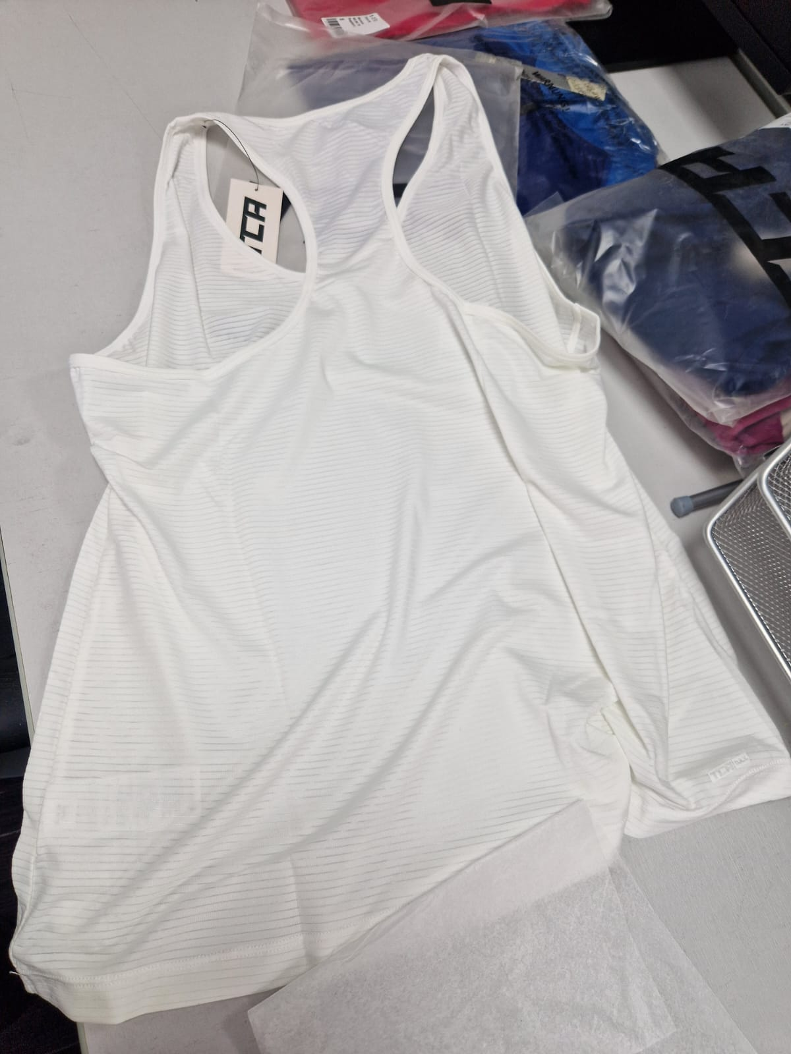
ME WE SH+Black | ME WE SH | S-3JT | 5055906539395 | Endurance Short - Black, S - Black, XXL | Bottom | Shorts | High Waist | 92% Polyester 8% Elastane | Mens | Black | XXL | SS | 5 | Bottom-Shorts -High Waist | £11.99 | £59.95 | https://www.amazon.co.uk/dp/B07LH815NL
ME WE SH+Quiet Shade | ME WE SH | S-3JV | 5055906539418 | Endurance Short - Black, S - Quiet Shade, M | Bottom | Shorts | High Waist | 92% Polyester 8% Elastane | Mens | Quiet Shade | M | SS | 35 | Bottom-Shorts -High Waist | £11.99 | £419.65 | https://www.amazon.co.uk/dp/B07LH7B5W8
ME WE SH+Quiet Shade | ME WE SH | S-3JW | 5055906539425 | Endurance Short - Black, S - Quiet Shade, L | Bottom | Shorts | High Waist | 92% Polyester 8% Elastane | Mens | Quiet Shade | L | SS | 2 | Bottom-Shorts -High Waist | £11.99 | £23.98 | https://www.amazon.co.uk/dp/B07LH86F7P
ME WE SH+Quiet Shade | ME WE SH | S-3JX | 5055906539432 | Endurance Short - Black, S - Quiet Shade, XL | Bottom | Shorts | High Waist | 92% Polyester 8% Elastane | Mens | Quiet Shade | XL | SS | 8 | Bottom-Shorts -High Waist | £11.99 | £95.92 | https://www.amazon.co.uk/dp/B07LH78N8V
ME WE SH+Quiet Shade | ME WE SH | S-3JY | 5055906539449 | Endurance Short - Black, S - Quiet Shade, XXL | Bottom | Shorts | High Waist | 92% Polyester 8% Elastane | Mens | Quiet Shade | XXL | SS | 28 | Bottom-Shorts -High Waist | £11.99 | £335.72 | https://www.amazon.co.uk/dp/B07LH95QWZ
ME WE SH+Medieval Blue | ME WE SH | S-3JZ | 5055906539456 | Endurance Short - Black, S - Medieval Blue, S | Bottom | Shorts | High Waist | 92% Polyester 8% Elastane | Mens | Medieval Blue | S | SS | 13 | Bottom-Shorts -High Waist | £11.99 | £155.87 | https://www.amazon.co.uk/dp/B07LH86YWW
ME WE SH+Medieval Blue | ME WE SH | S-3K0 | 5055906539463 | Endurance Short - Black, S - Medieval Blue, M | Bottom | Shorts | High Waist | 92% Polyester 8% Elastane | Mens | Medieval Blue | M | SS | 75 | Bottom-Shorts -High Waist | £11.99 | £899.25 | https://www.amazon.co.uk/dp/B07LH71DN2
ME WE SH+Medieval Blue | ME WE SH | S-3K1 | 5055906539470 | Endurance Short - Black, S - Medieval Blue, L | Bottom | Shorts | High Waist | 92% Polyester 8% Elastane | Mens | Medieval Blue | L | SS | 39 | Bottom-Shorts -High Waist | £11.99 | £467.61 | https://www.amazon.co.uk/dp/B07LH8SDJ2
ME WE SH+Medieval Blue | ME WE SH | S-3K2 | 5055906539487 | Endurance Short - Black, S - Medieval Blue, XL | Bottom | Shorts | High Waist | 92% Polyester 8% Elastane | Mens | Medieval Blue | XL | SS | 15 | Bottom-Shorts -High Waist | £11.99 | £179.85 | https://www.amazon.co.uk/dp/B07LH71D1Y
ME WE SH+Medieval Blue | ME WE SH | S-3K3 | 5055906539494 | Endurance Short - Black, S - Medieval Blue, XXL | Bottom | Shorts | High Waist | 92% Polyester 8% Elastane | Mens | Medieval Blue | XXL | SS | 28 | Bottom-Shorts -High Waist | £11.99 | £335.72 | https://www.amazon.co.uk/dp/B07LH7R483
WO WE SH+Black | WO WE SH | S-3K4 | 5055906539500 | Motion Short - Black, XS - Black, XS | Bottom | Shorts | High Waist | 92% Polyester 8% Elastane | Womens | Black | XS | SS | 4 | Bottom-Shorts -High Waist | £11.99 | £47.96 | https://www.amazon.co.uk/dp/B07LH6HN24
WO WE SH+Black | WO WE SH | S-3K5 | 5055906539517 | Motion Short - Black, XS - Black, S | Bottom | Shorts | High Waist | 92% Polyester 8% Elastane | Womens | Black | S | SS | 33 | Bottom-Shorts -High Waist | £11.99 | £395.67 | https://www.amazon.co.uk/dp/B07LH849YV
WO WE SH+Black | WO WE SH | S-3K6 | 5055906539524 | Motion Short - Black, XS - Black, M | Bottom | Shorts | High Waist | 92% Polyester 8% Elastane | Womens | Black | M | SS | 113 | Bottom-Shorts -High Waist | £11.99 | £1,354.87 | https://www.amazon.co.uk/dp/B07LH7QTTP
WO WE SH+Black | WO WE SH | S-3K7 | 5055906539531 | Motion Short - Black, XS - Black, L | Bottom | Shorts | High Waist | 92% Polyester 8% Elastane | Womens | Black | L | SS | 70 | Bottom-Shorts -High Waist | £11.99 | £839.30 | https://www.amazon.co.uk/dp/B07LH5VBR9
WO WE SH+Black | WO WE SH | S-3K8 | 5055906539548 | Motion Short - Black, XS - Black, XL | Bottom | Shorts | High Waist | 92% Polyester 8% Elastane | Womens | Black | XL | SS | 21 | Bottom-Shorts -High Waist | £11.99 | £251.79 | https://www.amazon.co.uk/dp/B07LH5X8RG
WO WE SH+Medieval Blue | WO WE SH | S-3K9 | 5055906539555 | Motion Short - Black, XS - Medieval Blue, XS | Bottom | Shorts | High Waist | 92% Polyester 8% Elastane | Womens | Medieval Blue | XS | SS | 23 | Bottom-Shorts -High Waist | £11.99 | £275.77 | https://www.amazon.co.uk/dp/B07LH6GXB4
WO WE SH+Medieval Blue | WO WE SH | S-3KA | 5055906539562 | Motion Short - Black, XS - Medieval Blue, S | Bottom | Shorts | High Waist | 92% Polyester 8% Elastane | Womens | Medieval Blue | S | SS | 15 | Bottom-Shorts -High Waist | £11.99 | £179.85 | https://www.amazon.co.uk/dp/B07LH54C49
WO WE SH+Medieval Blue | WO WE SH | S-3KB | 5055906539579 | Motion Short - Black, XS - Medieval Blue, M | Bottom | Shorts | High Waist | 92% Polyester 8% Elastane | Womens | Medieval Blue | M | SS | 79 | Bottom-Shorts -High Waist | £11.99 | £947.21 | https://www.amazon.co.uk/dp/B07LH61Y19
WO WE SH+Medieval Blue | WO WE SH | S-3KC | 5055906539586 | Motion Short - Black, XS - Medieval Blue, L | Bottom | Shorts | High Waist | 92% Polyester 8% Elastane | Womens | Medieval Blue | L | SS | 8 | Bottom-Shorts -High Waist | £11.99 | £95.92 | https://www.amazon.co.uk/dp/B07LH7CYGP
WO WE SH+Medieval Blue | WO WE SH | S-3KD | 5055906539593 | Motion Short - Black, XS - Medieval Blue, XL | Bottom | Shorts | High Waist | 92% Polyester 8% Elastane | Womens | Medieval Blue | XL | SS | 36 | Bottom-Shorts -High Waist | £11.99 | £431.64 | https://www.amazon.co.uk/dp/B07LH7HQLW
WO WE SH+Virtual Pink | WO WE SH | S-3KE | 5055906539609 | Motion Short - Black, XS - Virtual Pink, XS | Bottom | Shorts | High Waist | 92% Polyester 8% Elastane | Womens | Virtual Pink | XS | SS | 30 | Bottom-Shorts -High Waist | £11.99 | £359.70 | https://www.amazon.co.uk/dp/B07LH95KXY
WO WE SH+Virtual Pink | WO WE SH | S-3KF | 5055906539616 | Motion Short - Black, XS - Virtual Pink, S | Bottom | Shorts | High Waist | 92% Polyester 8% Elastane | Womens | Virtual Pink | S | SS | 27 | Bottom-Shorts -High Waist | £11.99 | £323.73 | https://www.amazon.co.uk/dp/B07LH5NBJ5
WO WE SH+Virtual Pink | WO WE SH | S-3KG | 5055906539623 | Motion Short - Black, XS - Virtual Pink, M | Bottom | Shorts | High Waist | 92% Polyester 8% Elastane | Womens | Virtual Pink | M | SS | 42 | Bottom-Shorts -High Waist | £11.99 | £503.58 | https://www.amazon.co.uk/dp/B07LH8JN47
WO WE SH+Virtual Pink | WO WE SH | S-3KH | 5055906539630 | Motion Short - Black, XS - Virtual Pink, L | Bottom | Shorts | High Waist | 92% Polyester 8% Elastane | Womens | Virtual Pink | L | SS | 19 | Bottom-Shorts -High Waist | £11.99 | £227.81 | https://www.amazon.co.uk/dp/B07LH61RJN
WO WE SH+Virtual Pink | WO WE SH | S-3KJ | 5055906539647 | Motion Short - Black, XS - Virtual Pink, XL | Bottom | Shorts | High Waist | 92% Polyester 8% Elastane | Womens | Virtual Pink | XL | SS | 42 | Bottom-Shorts -High Waist | £11.99 | £503.58 | https://www.amazon.co.uk/dp/B07LHCLVZ9
ME WE TS+Black | ME WE TS | S-3KL | 5055906539661 | Endurance 2-in-1 Short - Black, S - Black, M | Bottom | Shorts | High Waist | 92% Polyester 8% Elastane | Mens | Black | M | SS | 12 | Bottom-Shorts -High Waist | £11.99 | £143.88 | https://www.amazon.co.uk/dp/B07LH65RFJ
ME WE TS+Medieval Blue | ME WE TS | S-3KV | 5055906539753 | Endurance 2-in-1 Short - Black, S - Medieval Blue, S | Bottom | Shorts | High Waist | 92% Polyester 8% Elastane | Mens | Medieval Blue | S | SS | 16 | Bottom-Shorts -High Waist | £11.99 | £191.84 | https://www.amazon.co.uk/dp/B07LH66HCD
ME WE TP+Black | ME WE TP | S-3L2 | 5055906539821 | Competitor Track Pant - Black, S - Black, L | Bottom | Trackpant | High Waist | 91% Polyester 9% Elastane | Mens | Black | L | AW | 87 | Bottom-Trackpant -High Waist | £11.99 | £1,043.13 | https://www.amazon.co.uk/dp/B07LH5SB37
ME WE TP+Black | ME WE TP | S-3L3 | 5055906539838 | Competitor Track Pant - Black, S - Black, XL | Bottom | Trackpant | High Waist | 91% Polyester 9% Elastane | Mens | Black | XL | AW | 32 | Bottom-Trackpant -High Waist | £11.99 | £383.68 | https://www.amazon.co.uk/dp/B07LH84H54
ME WE TP+Black | ME WE TP | S-3L4 | 5055906539845 | Competitor Track Pant - Black, S - Black, XXL | Bottom | Trackpant | High Waist | 91% Polyester 9% Elastane | Mens | Black | XXL | AW | 6 | Bottom-Trackpant -High Waist | £11.99 | £71.94 | https://www.amazon.co.uk/dp/B07LH821N6
ME WE TP+Asphalt | ME WE TP | S-3L9 | 5055906539890 | Competitor Track Pant - Black, S - Asphalt, XXL | Bottom | Trackpant | High Waist | 91% Polyester 9% Elastane | Mens | Asphalt | XXL | AW | 33 | Bottom-Trackpant -High Waist | £11.99 | £395.67 | https://www.amazon.co.uk/dp/B07LH7Y3YG
ME WE TP+Ponderosa Pine | ME WE TP | S-3LD | 5055906539937 | Competitor Track Pant - Black, S - Ponderosa Pine, XL | Bottom | Trackpant | High Waist | 91% Polyester 9% Elastane | Mens | Ponderosa Pine | XL | AW | 23 | Bottom-Trackpant -High Waist | £11.99 | £275.77 | https://www.amazon.co.uk/dp/B07LH8QS6B
ME WE TP+Ponderosa Pine | ME WE TP | S-3LE | 5055906539944 | Competitor Track Pant - Black, S - Ponderosa Pine, XXL | Bottom | Trackpant | High Waist | 91% Polyester 9% Elastane | Mens | Ponderosa Pine | XXL | AW | 38 | Bottom-Trackpant -High Waist | £11.99 | £455.62 | https://www.amazon.co.uk/dp/B07LH7S3ZH
ME WE HZ+Black | ME WE HZ | S-3LF | 5055906539951 | Competitor Track Top - Black, S - Black, S | Top | Jacket | Half Zip | 91% Polyester 9% Elastane | Mens | Black | S | AW | 24 | Top-Jacket-Half Zip | £11.99 | £287.76 | https://www.amazon.co.uk/dp/B07LH644GN
ME WE HZ+Black | ME WE HZ | S-3LG | 5055906539968 | Competitor Track Top - Black, S - Black, M | Top | Jacket | Half Zip | 91% Polyester 9% Elastane | Mens | Black | M | AW | 44 | Top-Jacket-Half Zip | £11.99 | £527.56 | https://www.amazon.co.uk/dp/B07LH5X8R3
ME WE HZ+Black | ME WE HZ | S-3LJ | 5055906539982 | Competitor Track Top - Black, S - Black, XL | Top | Jacket | Half Zip | 91% Polyester 9% Elastane | Mens | Black | XL | AW | 37 | Top-Jacket-Half Zip | £11.99 | £443.63 | https://www.amazon.co.uk/dp/B07LH66HCG
ME WE HZ+Medieval Blue | ME WE HZ | S-3LP | 5055906540032 | Competitor Track Top - Black, S - Medieval Blue, XL | Top | Jacket | Half Zip | 91% Polyester 9% Elastane | Mens | Medieval Blue | XL | AW | 16 | Top-Jacket-Half Zip | £11.99 | £191.84 | https://www.amazon.co.uk/dp/B07LH72C39
ME WE HZ+Medieval Blue | ME WE HZ | S-3LQ | 5055906540049 | Competitor Track Top - Black, S - Medieval Blue, XXL | Top | Jacket | Half Zip | 91% Polyester 9% Elastane | Mens | Medieval Blue | XXL | AW | 12 | Top-Jacket-Half Zip | £11.99 | £143.88 | https://www.amazon.co.uk/dp/B07LH7ZVFW
WO WE HZ+Black | WO WE HZ | S-3LZ | 5055906540131 | Competitor Track Top - Black, XS - Black, L | Top | Jacket | Half Zip | 91% Polyester 9% Elastane | Womens | Black | L | AW | 84 | Top-Jacket-Half Zip | £14.99 | £1,259.16 | https://www.amazon.co.uk/dp/B07LH6GN5M
WO WE HZ+Black | WO WE HZ | S-3M0 | 5055906540148 | Competitor Track Top - Black, XS - Black, XL | Top | Jacket | Half Zip | 91% Polyester 9% Elastane | Womens | Black | XL | AW | 59 | Top-Jacket-Half Zip | £14.99 | £884.41 | https://www.amazon.co.uk/dp/B07LH9XNL5
WO WE HZ+Medieval Blue | WO WE HZ | S-3M4 | 5055906540186 | Competitor Track Top - Black, XS - Medieval Blue, L | Top | Jacket | Half Zip | 91% Polyester 9% Elastane | Womens | Medieval Blue | L | AW | 41 | Top-Jacket-Half Zip | £14.99 | £614.59 | https://www.amazon.co.uk/dp/B07LH5MNN6
WO ES SH+Raspberry | WO ES SH | S-3NY | 5055906540803 | Womens Essential Short - Raspberry, XS | Bottom | Shorts | High Waist | 92% Polyester 8% Elastane | Womens | Raspberry | XS | SS | 10 | Bottom-Shorts -High Waist | £11.99 | £119.90 | https://www.amazon.co.uk/dp/B07S7DXT1K
WO ES SH+Raspberry | WO ES SH | S-3NZ | 5055906540810 | Womens Essential Short - Raspberry, S | Bottom | Shorts | High Waist | 92% Polyester 8% Elastane | Womens | Raspberry | S | SS | 16 | Bottom-Shorts -High Waist | £11.99 | £191.84 | https://www.amazon.co.uk/dp/B07S9C9ML5
WO ES SH+Raspberry | WO ES SH | S-3P0 | 5055906540827 | Womens Essential Short - Raspberry, M | Bottom | Shorts | High Waist | 92% Polyester 8% Elastane | Womens | Raspberry | M | SS | 40 | Bottom-Shorts -High Waist | £11.99 | £479.60 | https://www.amazon.co.uk/dp/B07S6BTPH8
WO ES SH+Raspberry | WO ES SH | S-3P2 | 5055906540841 | Womens Essential Short - Raspberry, XL | Bottom | Shorts | High Waist | 92% Polyester 8% Elastane | Womens | Raspberry | XL | SS | 16 | Bottom-Shorts -High Waist | £11.99 | £191.84 | https://www.amazon.co.uk/dp/B07S8CY12K
WO ES SH+Alloy | WO ES SH | S-3P6 | 5055906540889 | Womens Essential Short - Alloy, L | Bottom | Shorts | High Waist | 92% Polyester 8% Elastane | Womens | Alloy | L | SS | 15 | Bottom-Shorts -High Waist | £11.99 | £179.85 | https://www.amazon.co.uk/dp/B07SBGDW3L
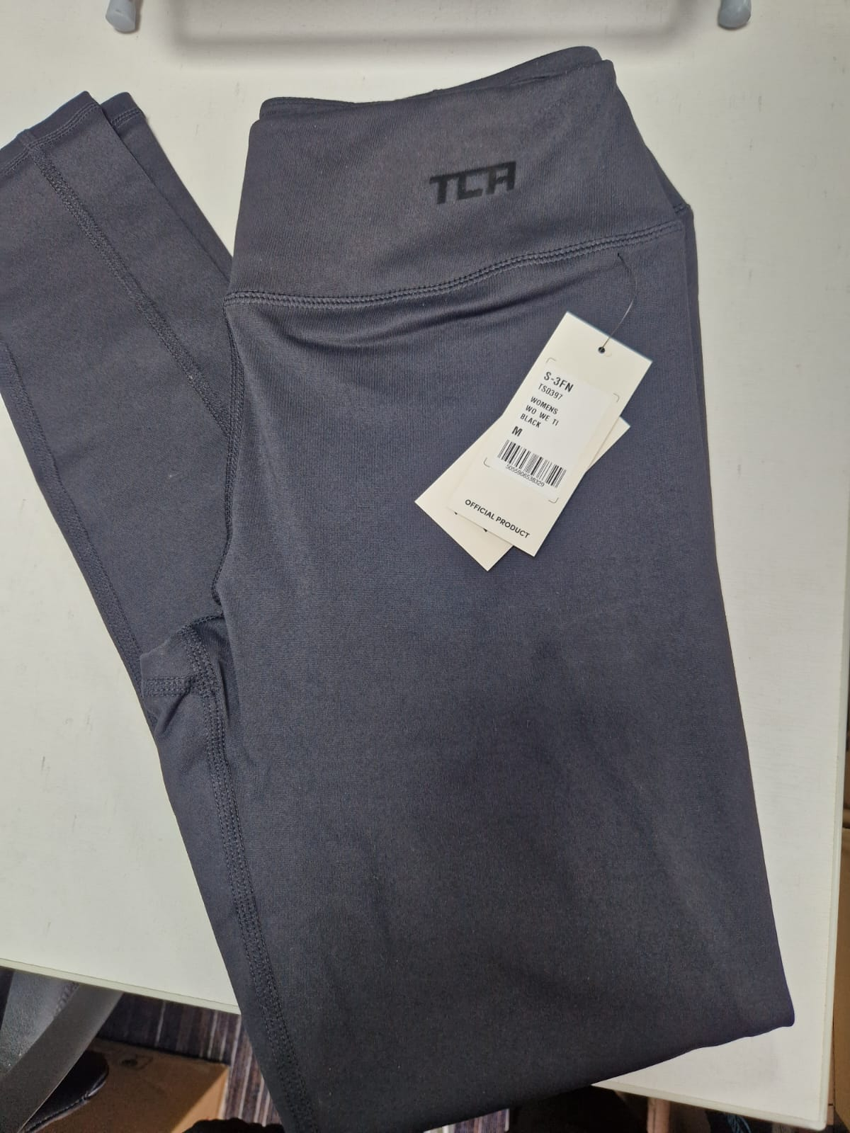
WO ES SH+Alloy | WO ES SH | S-3P7 | 5055906540896 | Womens Essential Short - Alloy, XL | Bottom | Shorts | High Waist | 92% Polyester 8% Elastane | Womens | Alloy | XL | SS | 17 | Bottom-Shorts -High Waist | £11.99 | £203.83 | https://www.amazon.co.uk/dp/B07S9DYH7D
WO ES SH+Night Sky | WO ES SH | S-3P8 | 5055906540902 | Womens Essential Short - Night Sky, XS | Bottom | Shorts | High Waist | 92% Polyester 8% Elastane | Womens | Night Sky | XS | SS | 66 | Bottom-Shorts -High Waist | £11.99 | £791.34 | https://www.amazon.co.uk/dp/B07S9F7W79
WO ES SH+Night Sky | WO ES SH | S-3P9 | 5055906540919 | Womens Essential Short - Night Sky, S | Bottom | Shorts | High Waist | 92% Polyester 8% Elastane | Womens | Night Sky | S | SS | 118 | Bottom-Shorts -High Waist | £11.99 | £1,414.82 | https://www.amazon.co.uk/dp/B07SBGGTN5
WO ES SH+Night Sky | WO ES SH | S-3PA | 5055906540926 | Womens Essential Short - Night Sky, M | Bottom | Shorts | High Waist | 92% Polyester 8% Elastane | Womens | Night Sky | M | SS | 103 | Bottom-Shorts -High Waist | £11.99 | £1,234.97 | https://www.amazon.co.uk/dp/B07S6BVNXJ
WO ES SH+Night Sky | WO ES SH | S-3PB | 5055906540933 | Womens Essential Short - Night Sky, L | Bottom | Shorts | High Waist | 92% Polyester 8% Elastane | Womens | Night Sky | L | SS | 41 | Bottom-Shorts -High Waist | £11.99 | £491.59 | https://www.amazon.co.uk/dp/B07SBFG792
WO ES SH+Night Sky | WO ES SH | S-3PC | 5055906540940 | Womens Essential Short - Night Sky, XL | Bottom | Shorts | High Waist | 92% Polyester 8% Elastane | Womens | Night Sky | XL | SS | 29 | Bottom-Shorts -High Waist | £11.99 | £347.71 | https://www.amazon.co.uk/dp/B07S8CXZHM
WO ES SH+Forest Night | WO ES SH | S-3PD | 5055906540957 | Womens Essential Short - Forest Night, XS | Bottom | Shorts | High Waist | 92% Polyester 8% Elastane | Womens | Forest Night | XS | SS | 67 | Bottom-Shorts -High Waist | £11.99 | £803.33 | https://www.amazon.co.uk/dp/B07S8CZXCP
WO ES SH+Forest Night | WO ES SH | S-3PE | 5055906540964 | Womens Essential Short - Forest Night, S | Bottom | Shorts | High Waist | 92% Polyester 8% Elastane | Womens | Forest Night | S | SS | 174 | Bottom-Shorts -High Waist | £11.99 | £2,086.26 | https://www.amazon.co.uk/dp/B07SBGQRGS
WO ES SH+Forest Night | WO ES SH | S-3PF | 5055906540971 | Womens Essential Short - Forest Night, M | Bottom | Shorts | High Waist | 92% Polyester 8% Elastane | Womens | Forest Night | M | SS | 62 | Bottom-Shorts -High Waist | £11.99 | £743.38 | https://www.amazon.co.uk/dp/B07S8D15YC
WO ES SH+Forest Night | WO ES SH | S-3PG | 5055906540988 | Womens Essential Short - Forest Night, L | Bottom | Shorts | High Waist | 92% Polyester 8% Elastane | Womens | Forest Night | L | SS | 43 | Bottom-Shorts -High Waist | £11.99 | £515.57 | https://www.amazon.co.uk/dp/B07S8CFVWF
WO ES SH+Forest Night | WO ES SH | S-3PH | 5055906540995 | Womens Essential Short - Forest Night, XL | Bottom | Shorts | High Waist | 92% Polyester 8% Elastane | Womens | Forest Night | XL | SS | 33 | Bottom-Shorts -High Waist | £11.99 | £395.67 | https://www.amazon.co.uk/dp/B07SBGDGKT
ME MM TE+Bright White | ME MM TE | S-3R0 | 5055906541503 | Mens Mesh Back Tee - Bright White, S | Top | Short Sleeve | Crew Neck | 90% Polyester 10% Elastane | Mens | Bright White | S | SS | 12 | Top-Short Sleeve -Crew Neck | £11.99 | £143.88 | https://www.amazon.co.uk/dp/B07S9FWY5Y
ME MM TE+Bright White | ME MM TE | S-3R1 | 5055906541510 | Mens Mesh Back Tee - Bright White, M | Top | Short Sleeve | Crew Neck | 90% Polyester 10% Elastane | Mens | Bright White | M | SS | 22 | Top-Short Sleeve -Crew Neck | £11.99 | £263.78 | https://www.amazon.co.uk/dp/B07SBH7BY5
ME MM TE+Bright White | ME MM TE | S-3R2 | 5055906541527 | Mens Mesh Back Tee - Bright White, L | Top | Short Sleeve | Crew Neck | 90% Polyester 10% Elastane | Mens | Bright White | L | SS | 42 | Top-Short Sleeve -Crew Neck | £11.99 | £503.58 | https://www.amazon.co.uk/dp/B07S6BVG8H
ME MM TE+Bright White | ME MM TE | S-3R3 | 5055906541534 | Mens Mesh Back Tee - Bright White, XL | Top | Short Sleeve | Crew Neck | 90% Polyester 10% Elastane | Mens | Bright White | XL | SS | 15 | Top-Short Sleeve -Crew Neck | £11.99 | £179.85 | https://www.amazon.co.uk/dp/B07S9DWZMQ
ME MM TE+Bright White | ME MM TE | S-3R4 | 5055906541541 | Mens Mesh Back Tee - Bright White, XXL | Top | Short Sleeve | Crew Neck | 90% Polyester 10% Elastane | Mens | Bright White | XXL | SS | 11 | Top-Short Sleeve -Crew Neck | £11.99 | £131.89 | https://www.amazon.co.uk/dp/B07S7DXW34
ME MM TE+Powder Rose | ME MM TE | S-3R5 | 5055906541558 | Mens Mesh Back Tee - Powder Rose, S | Top | Short Sleeve | Crew Neck | 90% Polyester 10% Elastane | Mens | Powder Rose | S | SS | 4 | Top-Short Sleeve -Crew Neck | £11.99 | £47.96 | https://www.amazon.co.uk/dp/B07S7DY1FY
ME MM TE+Powder Rose | ME MM TE | S-3R6 | 5055906541565 | Mens Mesh Back Tee - Powder Rose, M | Top | Short Sleeve | Crew Neck | 90% Polyester 10% Elastane | Mens | Powder Rose | M | SS | 16 | Top-Short Sleeve -Crew Neck | £11.99 | £191.84 | https://www.amazon.co.uk/dp/B07SBGVRX2
ME MM TE+Powder Rose | ME MM TE | S-3R7 | 5055906541572 | Mens Mesh Back Tee - Powder Rose, L | Top | Short Sleeve | Crew Neck | 90% Polyester 10% Elastane | Mens | Powder Rose | L | SS | 8 | Top-Short Sleeve -Crew Neck | £11.99 | £95.92 | https://www.amazon.co.uk/dp/B07S9G65FJ
ME MM TE+Powder Rose | ME MM TE | S-3R8 | 5055906541589 | Mens Mesh Back Tee - Powder Rose, XL | Top | Short Sleeve | Crew Neck | 90% Polyester 10% Elastane | Mens | Powder Rose | XL | SS | 2 | Top-Short Sleeve -Crew Neck | £11.99 | £23.98 | https://www.amazon.co.uk/dp/B07S6BTNYV
ME MM TE+Powder Rose | ME MM TE | S-3R9 | 5055906541596 | Mens Mesh Back Tee - Powder Rose, XXL | Top | Short Sleeve | Crew Neck | 90% Polyester 10% Elastane | Mens | Powder Rose | XXL | SS | 18 | Top-Short Sleeve -Crew Neck | £11.99 | £215.82 | https://www.amazon.co.uk/dp/B07S9CJ5S7
ME MM TE+Pigeon Grey | ME MM TE | S-3RA | 5055906541602 | Mens Mesh Back Tee - Pigeon Grey, S | Top | Short Sleeve | Crew Neck | 90% Polyester 10% Elastane | Mens | Pigeon Grey | S | SS | 12 | Top-Short Sleeve -Crew Neck | £11.99 | £143.88 | https://www.amazon.co.uk/dp/B07S8CY132
ME MM TE+Pigeon Grey | ME MM TE | S-3RB | 5055906541619 | Mens Mesh Back Tee - Pigeon Grey, M | Top | Short Sleeve | Crew Neck | 90% Polyester 10% Elastane | Mens | Pigeon Grey | M | SS | 2 | Top-Short Sleeve -Crew Neck | £11.99 | £23.98 | https://www.amazon.co.uk/dp/B07SBH13TH
ME MM TE+Pigeon Grey | ME MM TE | S-3RC | 5055906541626 | Mens Mesh Back Tee - Pigeon Grey, L | Top | Short Sleeve | Crew Neck | 90% Polyester 10% Elastane | Mens | Pigeon Grey | L | SS | 4 | Top-Short Sleeve -Crew Neck | £11.99 | £47.96 | https://www.amazon.co.uk/dp/B07S8CXYHG
ME MM TE+Army | ME MM TE | S-3RF | 5055906541657 | Mens Mesh Back Tee - Army, S | Top | Short Sleeve | Crew Neck | 90% Polyester 10% Elastane | Mens | Army | S | SS | 71 | Top-Short Sleeve -Crew Neck | £11.99 | £851.29 | https://www.amazon.co.uk/dp/B07S9FB69R
ME MM TE+Army | ME MM TE | S-3RG | 5055906541664 | Mens Mesh Back Tee - Army, M | Top | Short Sleeve | Crew Neck | 90% Polyester 10% Elastane | Mens | Army | M | SS | 97 | Top-Short Sleeve -Crew Neck | £11.99 | £1,163.03 | https://www.amazon.co.uk/dp/B07S8CWR3S
ME MM TE+Army | ME MM TE | S-3RH | 5055906541671 | Mens Mesh Back Tee - Army, L | Top | Short Sleeve | Crew Neck | 90% Polyester 10% Elastane | Mens | Army | L | SS | 76 | Top-Short Sleeve -Crew Neck | £11.99 | £911.24 | https://www.amazon.co.uk/dp/B07S6BVDKQ
ME MM TE+Army | ME MM TE | S-3RJ | 5055906541688 | Mens Mesh Back Tee - Army, XL | Top | Short Sleeve | Crew Neck | 90% Polyester 10% Elastane | Mens | Army | XL | SS | 10 | Top-Short Sleeve -Crew Neck | £11.99 | £119.90 | https://www.amazon.co.uk/dp/B07S8C8YBW
ME MM TE+Army | ME MM TE | S-3RK | 5055906541695 | Mens Mesh Back Tee - Army, XXL | Top | Short Sleeve | Crew Neck | 90% Polyester 10% Elastane | Mens | Army | XXL | SS | 20 | Top-Short Sleeve -Crew Neck | £11.99 | £239.80 | https://www.amazon.co.uk/dp/B07S7DXMNZ
WO NP TE+Nimbus Cloud | WO NP TE | S-3RL | 5055906541701 | Womens Natural Performance Tee - Nimbus Cloud, XS | Top | Short Sleeve | Crew Neck | 50% Polyester 50% Lyocell | Womens | Nimbus Cloud | XS | SS | 8 | Top-Short Sleeve -Crew Neck | £11.99 | £95.92 | https://www.amazon.co.uk/dp/B07S8CLZCH
WO NP TE+Nimbus Cloud | WO NP TE | S-3RM | 5055906541718 | Womens Natural Performance Tee - Nimbus Cloud, S | Top | Short Sleeve | Crew Neck | 50% Polyester 50% Lyocell | Womens | Nimbus Cloud | S | SS | 37 | Top-Short Sleeve -Crew Neck | £11.99 | £443.63 | https://www.amazon.co.uk/dp/B07S9FWJ3D
WO NP TE+Nimbus Cloud | WO NP TE | S-3RN | 5055906541725 | Womens Natural Performance Tee - Nimbus Cloud, M | Top | Short Sleeve | Crew Neck | 50% Polyester 50% Lyocell | Womens | Nimbus Cloud | M | SS | 95 | Top-Short Sleeve -Crew Neck | £11.99 | £1,139.05 | https://www.amazon.co.uk/dp/B07S9FCFMW
WO NP TE+Nimbus Cloud | WO NP TE | S-3RP | 5055906541732 | Womens Natural Performance Tee - Nimbus Cloud, L | Top | Short Sleeve | Crew Neck | 50% Polyester 50% Lyocell | Womens | Nimbus Cloud | L | SS | 53 | Top-Short Sleeve -Crew Neck | £11.99 | £635.47 | https://www.amazon.co.uk/dp/B07S9DHNJY
WO NP TE+Nimbus Cloud | WO NP TE | S-3RQ | 5055906541749 | Womens Natural Performance Tee - Nimbus Cloud, XL | Top | Short Sleeve | Crew Neck | 50% Polyester 50% Lyocell | Womens | Nimbus Cloud | XL | SS | 18 | Top-Short Sleeve -Crew Neck | £11.99 | £215.82 | https://www.amazon.co.uk/dp/B07SBG6D3S
WO NP TE+Deep Claret | WO NP TE | S-3RW | 5055906541800 | Womens Natural Performance Tee - Deep Claret, XS | Top | Short Sleeve | Crew Neck | 50% Polyester 50% Lyocell | Womens | Deep Claret | XS | SS | 5 | Top-Short Sleeve -Crew Neck | £11.99 | £59.95 | https://www.amazon.co.uk/dp/B07S6BT1SG
WO NP TE+Deep Claret | WO NP TE | S-3RX | 5055906541817 | Womens Natural Performance Tee - Deep Claret, S | Top | Short Sleeve | Crew Neck | 50% Polyester 50% Lyocell | Womens | Deep Claret | S | SS | 30 | Top-Short Sleeve -Crew Neck | £11.99 | £359.70 | https://www.amazon.co.uk/dp/B07S7DX6DX
WO NP TE+Deep Claret | WO NP TE | S-3RY | 5055906541824 | Womens Natural Performance Tee - Deep Claret, M | Top | Short Sleeve | Crew Neck | 50% Polyester 50% Lyocell | Womens | Deep Claret | M | SS | 62 | Top-Short Sleeve -Crew Neck | £11.99 | £743.38 | https://www.amazon.co.uk/dp/B07S8CZNT7
WO NP TE+Deep Claret | WO NP TE | S-3RZ | 5055906541831 | Womens Natural Performance Tee - Deep Claret, L | Top | Short Sleeve | Crew Neck | 50% Polyester 50% Lyocell | Womens | Deep Claret | L | SS | 10 | Top-Short Sleeve -Crew Neck | £11.99 | £119.90 | https://www.amazon.co.uk/dp/B07S9G6FR2
WO NP TE+Deep Claret | WO NP TE | S-3S0 | 5055906541848 | Womens Natural Performance Tee - Deep Claret, XL | Top | Short Sleeve | Crew Neck | 50% Polyester 50% Lyocell | Womens | Deep Claret | XL | SS | 17 | Top-Short Sleeve -Crew Neck | £11.99 | £203.83 | https://www.amazon.co.uk/dp/B07S9C4K3H
WO NP TE+Army | WO NP TE | S-3S1 | 5055906541855 | Womens Natural Performance Tee - Army, XS | Top | Short Sleeve | Crew Neck | 50% Polyester 50% Lyocell | Womens | Army | XS | SS | 16 | Top-Short Sleeve -Crew Neck | £11.99 | £191.84 | https://www.amazon.co.uk/dp/B07S8D17S8
WO NP TE+Army | WO NP TE | S-3S2 | 5055906541862 | Womens Natural Performance Tee - Army, S | Top | Short Sleeve | Crew Neck | 50% Polyester 50% Lyocell | Womens | Army | S | SS | 54 | Top-Short Sleeve -Crew Neck | £11.99 | £647.46 | https://www.amazon.co.uk/dp/B07S9FT2VG
WO NP TE+Army | WO NP TE | S-3S3 | 5055906541879 | Womens Natural Performance Tee - Army, M | Top | Short Sleeve | Crew Neck | 50% Polyester 50% Lyocell | Womens | Army | M | SS | 162 | Top-Short Sleeve -Crew Neck | £11.99 | £1,942.38 | https://www.amazon.co.uk/dp/B07S9CB24X
WO NP TE+Army | WO NP TE | S-3S4 | 5055906541886 | Womens Natural Performance Tee - Army, L | Top | Short Sleeve | Crew Neck | 50% Polyester 50% Lyocell | Womens | Army | L | SS | 28 | Top-Short Sleeve -Crew Neck | £11.99 | £335.72 | https://www.amazon.co.uk/dp/B07S7DXKFR
WO NP TE+Army | WO NP TE | S-3S5 | 5055906541893 | Womens Natural Performance Tee - Army, XL | Top | Short Sleeve | Crew Neck | 50% Polyester 50% Lyocell | Womens | Army | XL | SS | 19 | Top-Short Sleeve -Crew Neck | £11.99 | £227.81 | https://www.amazon.co.uk/dp/B07S9G6PNN
WO NP TA+Nimbus Cloud | WO NP TA | S-3S6 | 5055906541909 | Womens Natural Performance Tank - Nimbus Cloud, XS | Top | Tank | Crew Neck | 50% Polyester 50% Lyocell | Womens | Nimbus Cloud | XS | SS | 6 | Top-Tank-Crew Neck | £11.99 | £71.94 | https://www.amazon.co.uk/dp/B07SBG1L9Z
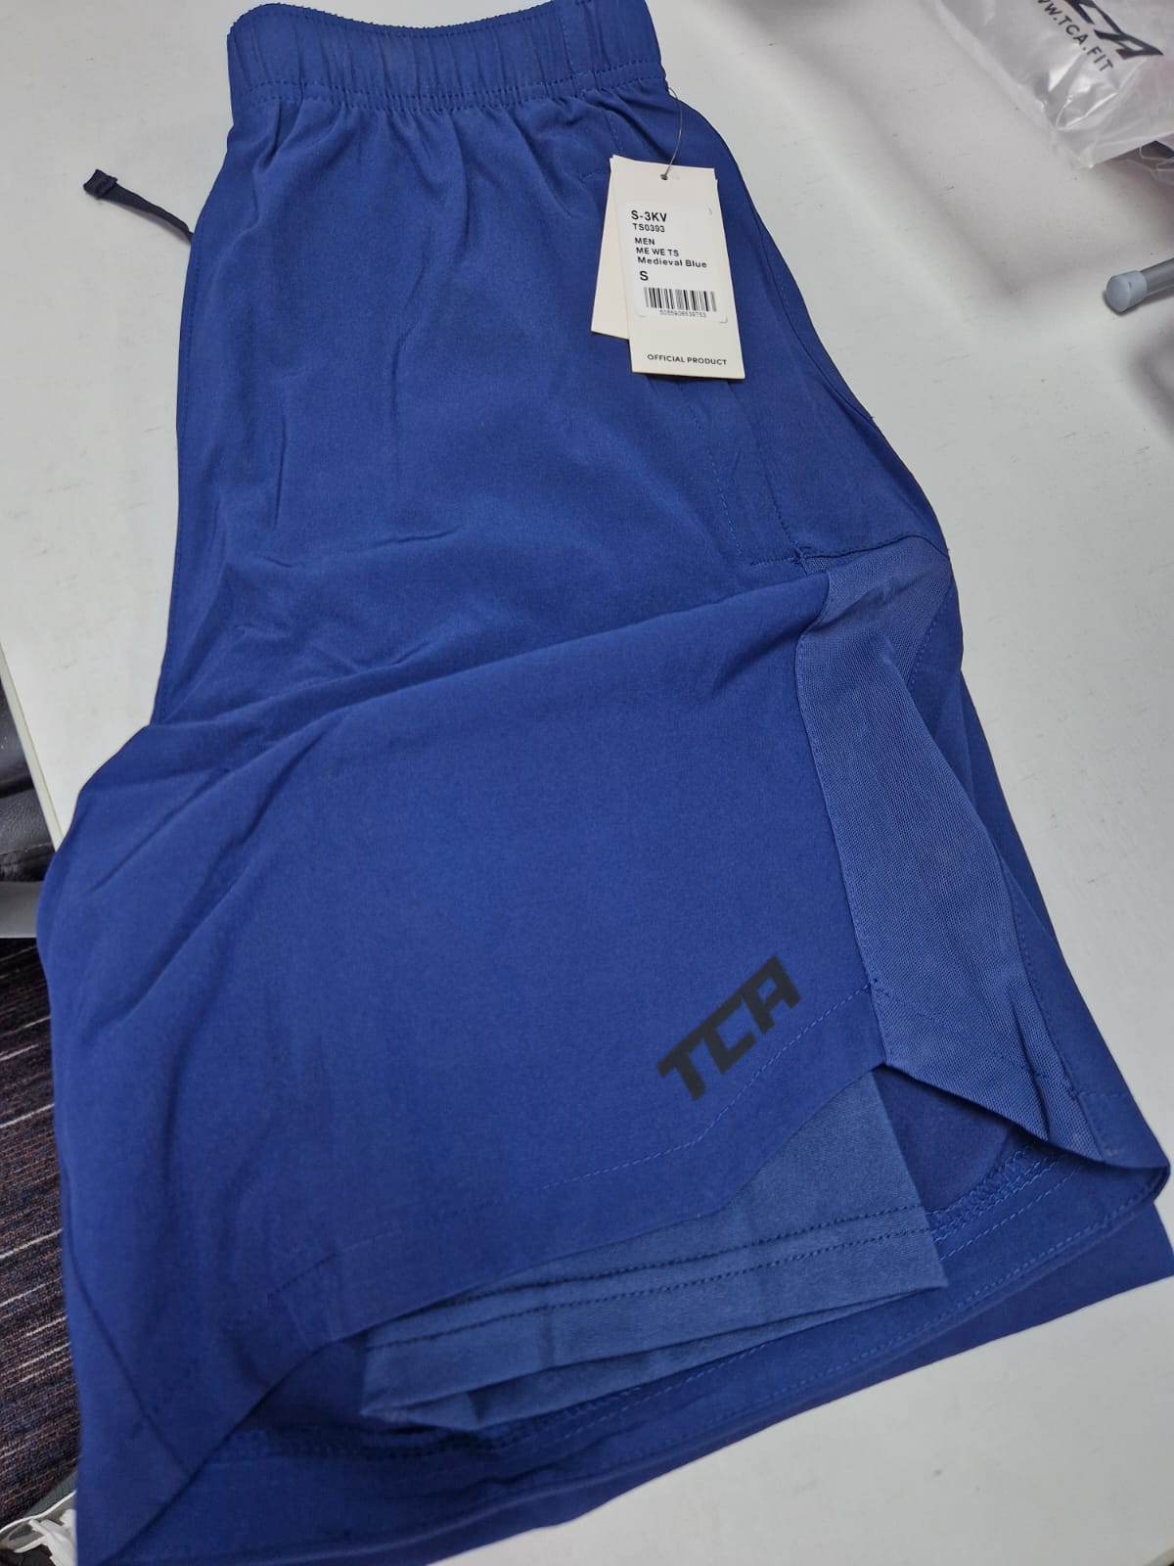
WO NP TA+Nimbus Cloud | WO NP TA | S-3S7 | 5055906541916 | Womens Natural Performance Tank - Nimbus Cloud, S | Top | Tank | Crew Neck | 50% Polyester 50% Lyocell | Womens | Nimbus Cloud | S | SS | 27 | Top-Tank-Crew Neck | £11.99 | £323.73 | https://www.amazon.co.uk/dp/B07S7DWKWW
WO NP TA+Nimbus Cloud | WO NP TA | S-3S8 | 5055906541923 | Womens Natural Performance Tank - Nimbus Cloud, M | Top | Tank | Crew Neck | 50% Polyester 50% Lyocell | Womens | Nimbus Cloud | M | SS | 90 | Top-Tank-Crew Neck | £11.99 | £1,079.10 | https://www.amazon.co.uk/dp/B07S9F22B5
WO NP TA+Nimbus Cloud | WO NP TA | S-3S9 | 5055906541930 | Womens Natural Performance Tank - Nimbus Cloud, L | Top | Tank | Crew Neck | 50% Polyester 50% Lyocell | Womens | Nimbus Cloud | L | SS | 53 | Top-Tank-Crew Neck | £11.99 | £635.47 | https://www.amazon.co.uk/dp/B07S7DTH3W
WO NP TA+Nimbus Cloud | WO NP TA | S-3SA | 5055906541947 | Womens Natural Performance Tank - Nimbus Cloud, XL | Top | Tank | Crew Neck | 50% Polyester 50% Lyocell | Womens | Nimbus Cloud | XL | SS | 26 | Top-Tank-Crew Neck | £11.99 | £311.74 | https://www.amazon.co.uk/dp/B07S9CVBWM
WO NP TA+Stone Rose | WO NP TA | S-3SB | 5055906541954 | Womens Natural Performance Tank - Stone Rose, XS | Top | Tank | Crew Neck | 50% Polyester 50% Lyocell | Womens | Stone Rose | XS | SS | 15 | Top-Tank-Crew Neck | £11.99 | £179.85 | https://www.amazon.co.uk/dp/B07S8CYLKB
WO NP TA+Stone Rose | WO NP TA | S-3SC | 5055906541961 | Womens Natural Performance Tank - Stone Rose, S | Top | Tank | Crew Neck | 50% Polyester 50% Lyocell | Womens | Stone Rose | S | SS | 41 | Top-Tank-Crew Neck | £11.99 | £491.59 | https://www.amazon.co.uk/dp/B07S6BV8XP
WO NP TA+Stone Rose | WO NP TA | S-3SD | 5055906541978 | Womens Natural Performance Tank - Stone Rose, M | Top | Tank | Crew Neck | 50% Polyester 50% Lyocell | Womens | Stone Rose | M | SS | 117 | Top-Tank-Crew Neck | £11.99 | £1,402.83 | https://www.amazon.co.uk/dp/B07SBF4LYB
WO NP TA+Stone Rose | WO NP TA | S-3SE | 5055906541985 | Womens Natural Performance Tank - Stone Rose, L | Top | Tank | Crew Neck | 50% Polyester 50% Lyocell | Womens | Stone Rose | L | SS | 58 | Top-Tank-Crew Neck | £11.99 | £695.42 | https://www.amazon.co.uk/dp/B07S6BV4LD
WO NP TA+Stone Rose | WO NP TA | S-3SF | 5055906541992 | Womens Natural Performance Tank - Stone Rose, XL | Top | Tank | Crew Neck | 50% Polyester 50% Lyocell | Womens | Stone Rose | XL | SS | 36 | Top-Tank-Crew Neck | £11.99 | £431.64 | https://www.amazon.co.uk/dp/B07S8D1698
WO NP TA+Deep Claret | WO NP TA | S-3SH | 5055906542012 | Womens Natural Performance Tank - Deep Claret, S | Top | Tank | Crew Neck | 50% Polyester 50% Lyocell | Womens | Deep Claret | S | SS | 1 | Top-Tank-Crew Neck | £11.99 | £11.99 | https://www.amazon.co.uk/dp/B07S6BTK9P
WO NP TA+Deep Claret | WO NP TA | S-3SJ | 5055906542029 | Womens Natural Performance Tank - Deep Claret, M | Top | Tank | Crew Neck | 50% Polyester 50% Lyocell | Womens | Deep Claret | M | SS | 68 | Top-Tank-Crew Neck | £11.99 | £815.32 | https://www.amazon.co.uk/dp/B07S8D12MP
WO NP TA+Deep Claret | WO NP TA | S-3SK | 5055906542036 | Womens Natural Performance Tank - Deep Claret, L | Top | Tank | Crew Neck | 50% Polyester 50% Lyocell | Womens | Deep Claret | L | SS | 23 | Top-Tank-Crew Neck | £11.99 | £275.77 | https://www.amazon.co.uk/dp/B07S8CRBV3
WO NP TA+Deep Claret | WO NP TA | S-3SL | 5055906542043 | Womens Natural Performance Tank - Deep Claret, XL | Top | Tank | Crew Neck | 50% Polyester 50% Lyocell | Womens | Deep Claret | XL | SS | 13 | Top-Tank-Crew Neck | £11.99 | £155.87 | https://www.amazon.co.uk/dp/B07S9DVXT8
WO NP TA+Army | WO NP TA | S-3SM | 5055906542050 | Womens Natural Performance Tank - Army, XS | Top | Tank | Crew Neck | 50% Polyester 50% Lyocell | Womens | Army | XS | SS | 9 | Top-Tank-Crew Neck | £11.99 | £107.91 | https://www.amazon.co.uk/dp/B07S6BW1YL
WO NP TA+Army | WO NP TA | S-3SN | 5055906542067 | Womens Natural Performance Tank - Army, S | Top | Tank | Crew Neck | 50% Polyester 50% Lyocell | Womens | Army | S | SS | 56 | Top-Tank-Crew Neck | £11.99 | £671.44 | https://www.amazon.co.uk/dp/B07SBK294H
WO NP TA+Army | WO NP TA | S-3SP | 5055906542074 | Womens Natural Performance Tank - Army, M | Top | Tank | Crew Neck | 50% Polyester 50% Lyocell | Womens | Army | M | SS | 53 | Top-Tank-Crew Neck | £11.99 | £635.47 | https://www.amazon.co.uk/dp/B07S6BVCLM
WO NP TA+Army | WO NP TA | S-3SQ | 5055906542081 | Womens Natural Performance Tank - Army, L | Top | Tank | Crew Neck | 50% Polyester 50% Lyocell | Womens | Army | L | SS | 55 | Top-Tank-Crew Neck | £11.99 | £659.45 | https://www.amazon.co.uk/dp/B07SBGWMY8
WO NP TA+Army | WO NP TA | S-3SR | 5055906542098 | Womens Natural Performance Tank - Army, XL | Top | Tank | Crew Neck | 50% Polyester 50% Lyocell | Womens | Army | XL | SS | 50 | Top-Tank-Crew Neck | £11.99 | £599.50 | https://www.amazon.co.uk/dp/B07S8D143F
ME AE SH+Alloy | ME AE SH | S-3SZ | 5055906542173 | Mens Aeron Shorts 2 (8") - Alloy, L | Bottom | Shorts | High Waist | 92% Polyester 8% Elastane | Mens | Alloy | L | SS | 20 | Bottom-Shorts -High Waist | £24.99 | £499.80 | https://www.amazon.co.uk/dp/B07SBG91GL
ME AE SH+Alloy | ME AE SH | S-3T0 | 5055906542180 | Mens Aeron Shorts 2 (8") - Alloy, XL | Bottom | Shorts | High Waist | 92% Polyester 8% Elastane | Mens | Alloy | XL | SS | 19 | Bottom-Shorts -High Waist | £24.99 | £474.81 | https://www.amazon.co.uk/dp/B07S6BVG1F
ME AE SH+Alloy | ME AE SH | S-3T1 | 5055906542197 | Mens Aeron Shorts 2 (8") - Alloy, XXL | Bottom | Shorts | High Waist | 92% Polyester 8% Elastane | Mens | Alloy | XXL | SS | 11 | Bottom-Shorts -High Waist | £24.99 | £274.89 | https://www.amazon.co.uk/dp/B07S8D195W
WO BA TA+Anthracite | WO BA TA | S-3T7 | 5055906542258 | Air Tank - Anthracite, XS | Top | Tank | Crew Neck | 100% Polyester | Womens | Anthracite | XS | SS | 38 | Top-Tank-Crew Neck | £11.99 | £455.62 | https://www.amazon.co.uk/dp/B07S7DXCN8
WO BA TA+Anthracite | WO BA TA | S-3T8 | 5055906542265 | Air Tank - Anthracite, S | Top | Tank | Crew Neck | 100% Polyester | Womens | Anthracite | S | SS | 161 | Top-Tank-Crew Neck | £11.99 | £1,930.39 | https://www.amazon.co.uk/dp/B07SBG482H
WO BA TA+Anthracite | WO BA TA | S-3T9 | 5055906542272 | Air Tank - Anthracite, M | Top | Tank | Crew Neck | 100% Polyester | Womens | Anthracite | M | SS | 191 | Top-Tank-Crew Neck | £11.99 | £2,290.09 | https://www.amazon.co.uk/dp/B07S9CZS21
WO BA TA+Anthracite | WO BA TA | S-3TA | 5055906542289 | Air Tank - Anthracite, L | Top | Tank | Crew Neck | 100% Polyester | Womens | Anthracite | L | SS | 116 | Top-Tank-Crew Neck | £11.99 | £1,390.84 | https://www.amazon.co.uk/dp/B07S7DY6KZ
WO BA TA+Anthracite | WO BA TA | S-3TB | 5055906542296 | Air Tank - Anthracite, XL | Top | Tank | Crew Neck | 100% Polyester | Womens | Anthracite | XL | SS | 97 | Top-Tank-Crew Neck | £11.99 | £1,163.03 | https://www.amazon.co.uk/dp/B07S9FP52M
WO BA TA+Bright White | WO BA TA | S-3TD | 5055906542319 | Air Tank - Bright White, S | Top | Tank | Crew Neck | 100% Polyester | Womens | Bright White | S | SS | 28 | Top-Tank-Crew Neck | £11.99 | £335.72 | https://www.amazon.co.uk/dp/B07S9G1QNB
WO BA TA+Bright White | WO BA TA | S-3TE | 5055906542326 | Air Tank - Bright White, M | Top | Tank | Crew Neck | 100% Polyester | Womens | Bright White | M | SS | 38 | Top-Tank-Crew Neck | £11.99 | £455.62 | https://www.amazon.co.uk/dp/B07S6BW3XG
WO BA TA+Bright White | WO BA TA | S-3TF | 5055906542333 | Air Tank - Bright White, L | Top | Tank | Crew Neck | 100% Polyester | Womens | Bright White | L | SS | 23 | Top-Tank-Crew Neck | £11.99 | £275.77 | https://www.amazon.co.uk/dp/B07S6BTW2F
WO BA TA+Bright White | WO BA TA | S-3TG | 5055906542340 | Air Tank - Bright White, XL | Top | Tank | Crew Neck | 100% Polyester | Womens | Bright White | XL | SS | 20 | Top-Tank-Crew Neck | £11.99 | £239.80 | https://www.amazon.co.uk/dp/B07S8CZMM7
WO BA TA+Raspberry | WO BA TA | S-3TH | 5055906542357 | Air Tank - Raspberry, XS | Top | Tank | Crew Neck | 100% Polyester | Womens | Raspberry | XS | SS | 23 | Top-Tank-Crew Neck | £11.99 | £275.77 | https://www.amazon.co.uk/dp/B07S7DWWW2
WO BA TA+Raspberry | WO BA TA | S-3TJ | 5055906542364 | Air Tank - Raspberry, S | Top | Tank | Crew Neck | 100% Polyester | Womens | Raspberry | S | SS | 90 | Top-Tank-Crew Neck | £11.99 | £1,079.10 | https://www.amazon.co.uk/dp/B07S9CWPC8
WO BA TA+Raspberry | WO BA TA | S-3TK | 5055906542371 | Air Tank - Raspberry, M | Top | Tank | Crew Neck | 100% Polyester | Womens | Raspberry | M | SS | 62 | Top-Tank-Crew Neck | £11.99 | £743.38 | https://www.amazon.co.uk/dp/B07S9BQ41C
WO BA TA+Raspberry | WO BA TA | S-3TL | 5055906542388 | Air Tank - Raspberry, L | Top | Tank | Crew Neck | 100% Polyester | Womens | Raspberry | L | SS | 48 | Top-Tank-Crew Neck | £11.99 | £575.52 | https://www.amazon.co.uk/dp/B07S6BVHN2
WO BA TA+Raspberry | WO BA TA | S-3TM | 5055906542395 | Air Tank - Raspberry, XL | Top | Tank | Crew Neck | 100% Polyester | Womens | Raspberry | XL | SS | 39 | Top-Tank-Crew Neck | £11.99 | £467.61 | https://www.amazon.co.uk/dp/B07S7DWWW3
WO BA TA+Forest Night | WO BA TA | S-3TN | 5055906542401 | Air Tank - Forest Night, XS | Top | Tank | Crew Neck | 100% Polyester | Womens | Forest Night | XS | SS | 23 | Top-Tank-Crew Neck | £11.99 | £275.77 | https://www.amazon.co.uk/dp/B07S6BVH1L
WO BA TA+Forest Night | WO BA TA | S-3TP | 5055906542418 | Air Tank - Forest Night, S | Top | Tank | Crew Neck | 100% Polyester | Womens | Forest Night | S | SS | 110 | Top-Tank-Crew Neck | £11.99 | £1,318.90 | https://www.amazon.co.uk/dp/B07S8D1WVJ
WO BA TA+Forest Night | WO BA TA | S-3TQ | 5055906542425 | Air Tank - Forest Night, M | Top | Tank | Crew Neck | 100% Polyester | Womens | Forest Night | M | SS | 82 | Top-Tank-Crew Neck | £11.99 | £983.18 | https://www.amazon.co.uk/dp/B07SBHPNPN
WO BA TA+Forest Night | WO BA TA | S-3TR | 5055906542432 | Air Tank - Forest Night, L | Top | Tank | Crew Neck | 100% Polyester | Womens | Forest Night | L | SS | 45 | Top-Tank-Crew Neck | £11.99 | £539.55 | https://www.amazon.co.uk/dp/B07S9G4ZK6
WO BA TA+Forest Night | WO BA TA | S-3TS | 5055906542449 | Air Tank - Forest Night, XL | Top | Tank | Crew Neck | 100% Polyester | Womens | Forest Night | XL | SS | 29 | Top-Tank-Crew Neck | £11.99 | £347.71 | https://www.amazon.co.uk/dp/B07S6BV5T6
WO WE TI+Anthracite | WO WE TI | S-3TT | 5055906542456 | Supreme 7/8 Legging - Anthracite, XS | Bottom | Tights | High Waist | 88% Polyester 12% Elastane | Womens | Anthracite | XS | AW | 11 | Bottom-Tights-High Waist | £11.99 | £131.89 | https://www.amazon.co.uk/dp/B07S6BTXCJ
WO WE TI+Anthracite | WO WE TI | S-3TU | 5055906542463 | Supreme 7/8 Legging - Anthracite, S | Bottom | Tights | High Waist | 88% Polyester 12% Elastane | Womens | Anthracite | S | AW | 22 | Bottom-Tights-High Waist | £11.99 | £263.78 | https://www.amazon.co.uk/dp/B07SBFKMV3
WO WE TI+Anthracite | WO WE TI | S-3TV | 5055906542470 | Supreme 7/8 Legging - Anthracite, M | Bottom | Tights | High Waist | 88% Polyester 12% Elastane | Womens | Anthracite | M | AW | 12 | Bottom-Tights-High Waist | £11.99 | £143.88 | https://www.amazon.co.uk/dp/B07S9G68QW
WO WE TI+Anthracite | WO WE TI | S-3TW | 5055906542487 | Supreme 7/8 Legging - Anthracite, L | Bottom | Tights | High Waist | 88% Polyester 12% Elastane | Womens | Anthracite | L | AW | 3 | Bottom-Tights-High Waist | £11.99 | £35.97 | https://www.amazon.co.uk/dp/B07S7DXDB6
WO WE TI+Anthracite | WO WE TI | S-3TX | 5055906542494 | Supreme 7/8 Legging - Anthracite, XL | Bottom | Tights | High Waist | 88% Polyester 12% Elastane | Womens | Anthracite | XL | AW | 5 | Bottom-Tights-High Waist | £11.99 | £59.95 | https://www.amazon.co.uk/dp/B07SBFFRLW
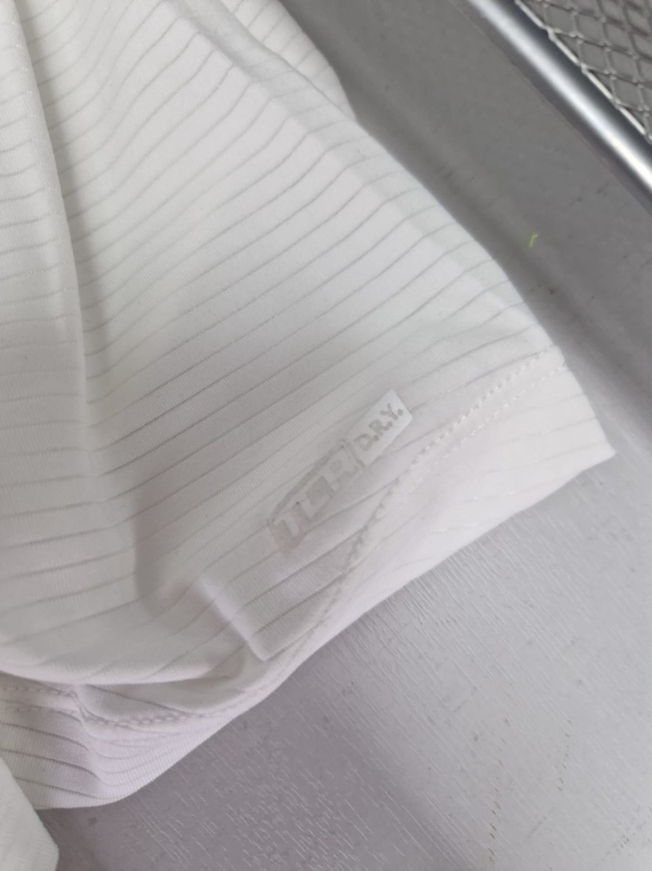
WO WE TI+Forest Night | WO WE TI | S-3U8 | 5055906542609 | Supreme 7/8 Legging - Forest Night, XS | Bottom | Tights | High Waist | 88% Polyester 12% Elastane | Womens | Forest Night | XS | AW | 17 | Bottom-Tights-High Waist | £11.99 | £203.83 | https://www.amazon.co.uk/dp/B07S9F3XP7
WO WE TI+Forest Night | WO WE TI | S-3U9 | 5055906542616 | Supreme 7/8 Legging - Forest Night, S | Bottom | Tights | High Waist | 88% Polyester 12% Elastane | Womens | Forest Night | S | AW | 7 | Bottom-Tights-High Waist | £11.99 | £83.93 | https://www.amazon.co.uk/dp/B07S9FM2ZR
WO WE TI+Forest Night | WO WE TI | S-3UB | 5055906542630 | Supreme 7/8 Legging - Forest Night, L | Bottom | Tights | High Waist | 88% Polyester 12% Elastane | Womens | Forest Night | L | AW | 9 | Bottom-Tights-High Waist | £11.99 | £107.91 | https://www.amazon.co.uk/dp/B07S9C7Q3N
WO WE TI+Forest Night | WO WE TI | S-3UC | 5055906542647 | Supreme 7/8 Legging - Forest Night, XL | Bottom | Tights | High Waist | 88% Polyester 12% Elastane | Womens | Forest Night | XL | AW | 27 | Bottom-Tights-High Waist | £11.99 | £323.73 | https://www.amazon.co.uk/dp/B07SBDSGC9
WO WE CA+Anthracite | WO WE CA | S-3UD | 5055906542654 | Womens Essentials Capri - Anthracite, XS | Bottom | Tights | High Waist | 88% Polyester 12% Elastane | Womens | Anthracite | XS | SS | 55 | Bottom-Tights-High Waist | £15.99 | £879.45 | https://www.amazon.co.uk/dp/B07S9F4HFG
WO WE CA+Anthracite | WO WE CA | S-3UE | 5055906542661 | Womens Essentials Capri - Anthracite, S | Bottom | Tights | High Waist | 88% Polyester 12% Elastane | Womens | Anthracite | S | SS | 185 | Bottom-Tights-High Waist | £15.99 | £2,958.15 | https://www.amazon.co.uk/dp/B07SBG1L8W
WO WE CA+Anthracite | WO WE CA | S-3UF | 5055906542678 | Womens Essentials Capri - Anthracite, M | Bottom | Tights | High Waist | 88% Polyester 12% Elastane | Womens | Anthracite | M | SS | 80 | Bottom-Tights-High Waist | £15.99 | £1,279.20 | https://www.amazon.co.uk/dp/B07S9BH7ZW
WO WE CA+Anthracite | WO WE CA | S-3UG | 5055906542685 | Womens Essentials Capri - Anthracite, L | Bottom | Tights | High Waist | 88% Polyester 12% Elastane | Womens | Anthracite | L | SS | 30 | Bottom-Tights-High Waist | £15.99 | £479.70 | https://www.amazon.co.uk/dp/B07SBH9MBQ
WO WE CA+Anthracite | WO WE CA | S-3UH | 5055906542692 | Womens Essentials Capri - Anthracite, XL | Bottom | Tights | High Waist | 88% Polyester 12% Elastane | Womens | Anthracite | XL | SS | 11 | Bottom-Tights-High Waist | £15.99 | £175.89 | https://www.amazon.co.uk/dp/B07S9G52WF
WO WE CA+Deep Claret | WO WE CA | S-3UP | 5055906542753 | Womens Essentials Capri - Deep Claret, XS | Bottom | Tights | High Waist | 88% Polyester 12% Elastane | Womens | Deep Claret | XS | SS | 31 | Bottom-Tights-High Waist | £15.99 | £495.69 | https://www.amazon.co.uk/dp/B07S9DRQCG
WO WE CA+Deep Claret | WO WE CA | S-3UQ | 5055906542760 | Womens Essentials Capri - Deep Claret, S | Bottom | Tights | High Waist | 88% Polyester 12% Elastane | Womens | Deep Claret | S | SS | 16 | Bottom-Tights-High Waist | £15.99 | £255.84 | https://www.amazon.co.uk/dp/B07S7DXDLC
WO WE CA+Deep Claret | WO WE CA | S-3UR | 5055906542777 | Womens Essentials Capri - Deep Claret, M | Bottom | Tights | High Waist | 88% Polyester 12% Elastane | Womens | Deep Claret | M | SS | 3 | Bottom-Tights-High Waist | £15.99 | £47.97 | https://www.amazon.co.uk/dp/B07SBG18T6
WO WE CA+Deep Claret | WO WE CA | S-3US | 5055906542784 | Womens Essentials Capri - Deep Claret, L | Bottom | Tights | High Waist | 88% Polyester 12% Elastane | Womens | Deep Claret | L | SS | 11 | Bottom-Tights-High Waist | £15.99 | £175.89 | https://www.amazon.co.uk/dp/B07S9CHZP9
WO WE CA+Forest Night | WO WE CA | S-3UU | 5055906542807 | Womens Essentials Capri - Forest Night, XS | Bottom | Tights | High Waist | 88% Polyester 12% Elastane | Womens | Forest Night | XS | SS | 29 | Bottom-Tights-High Waist | £15.99 | £463.71 | https://www.amazon.co.uk/dp/B07S9DSMCM
WO WE CA+Forest Night | WO WE CA | S-3UV | 5055906542814 | Womens Essentials Capri - Forest Night, S | Bottom | Tights | High Waist | 88% Polyester 12% Elastane | Womens | Forest Night | S | SS | 37 | Bottom-Tights-High Waist | £15.99 | £591.63 | https://www.amazon.co.uk/dp/B07S9BDBT5
WO WE CA+Forest Night | WO WE CA | S-3UW | 5055906542821 | Womens Essentials Capri - Forest Night, M | Bottom | Tights | High Waist | 88% Polyester 12% Elastane | Womens | Forest Night | M | SS | 20 | Bottom-Tights-High Waist | £15.99 | £319.80 | https://www.amazon.co.uk/dp/B07S8CJPB8
WO WE CA+Forest Night | WO WE CA | S-3UX | 5055906542838 | Womens Essentials Capri - Forest Night, L | Bottom | Tights | High Waist | 88% Polyester 12% Elastane | Womens | Forest Night | L | SS | 3 | Bottom-Tights-High Waist | £15.99 | £47.97 | https://www.amazon.co.uk/dp/B07SBFPZYS
WO WE CA+Forest Night | WO WE CA | S-3UY | 5055906542845 | Womens Essentials Capri - Forest Night, XL | Bottom | Tights | High Waist | 88% Polyester 12% Elastane | Womens | Forest Night | XL | SS | 6 | Bottom-Tights-High Waist | £15.99 | £95.94 | https://www.amazon.co.uk/dp/B07S6BVBYW
ME WO HD+Anthracite | ME WO HD | S-3WK | 5055906544146 | Challenger Sweat Tech Hoodie - Anthracite, M | Top | Long Sleeve | Funnel Neck | 95% Cotton 5% Elastane | Mens | Anthracite | M | AW | 13 | Top-Long Sleeve -Funnel Neck | £32.99 | £428.87 | https://www.amazon.co.uk/dp/B083V6V1S8
ME WO HD+Anthracite | ME WO HD | S-3WL | 5055906544153 | Challenger Sweat Tech Hoodie - Anthracite, L | Top | Long Sleeve | Funnel Neck | 95% Cotton 5% Elastane | Mens | Anthracite | L | AW | 38 | Top-Long Sleeve -Funnel Neck | £32.99 | £1,253.62 | https://www.amazon.co.uk/dp/B083V63P3Y
ME WO HD+Anthracite | ME WO HD | S-3WM | 5055906544160 | Challenger Sweat Tech Hoodie - Anthracite, XL | Top | Long Sleeve | Funnel Neck | 95% Cotton 5% Elastane | Mens | Anthracite | XL | AW | 23 | Top-Long Sleeve -Funnel Neck | £32.99 | £758.77 | https://www.amazon.co.uk/dp/B083V7PWTT
ME WO HD+Anthracite | ME WO HD | S-3WN | 5055906544177 | Challenger Sweat Tech Hoodie - Anthracite, XXL | Top | Long Sleeve | Funnel Neck | 95% Cotton 5% Elastane | Mens | Anthracite | XXL | AW | 23 | Top-Long Sleeve -Funnel Neck | £32.99 | £758.77 | https://www.amazon.co.uk/dp/B083V6RDQX
ME WO HD+Tornado | ME WO HD | S-3WR | 5055906544207 | Challenger Sweat Tech Hoodie - Tornado, L | Top | Long Sleeve | Funnel Neck | 95% Cotton 5% Elastane | Mens | Tornado | L | AW | 16 | Top-Long Sleeve -Funnel Neck | £32.99 | £527.84 | https://www.amazon.co.uk/dp/B083V76W9J
ME WO HD+Tornado | ME WO HD | S-3WS | 5055906544214 | Challenger Sweat Tech Hoodie - Tornado, XL | Top | Long Sleeve | Funnel Neck | 95% Cotton 5% Elastane | Mens | Tornado | XL | AW | 13 | Top-Long Sleeve -Funnel Neck | £32.99 | £428.87 | https://www.amazon.co.uk/dp/B083V61C7Z
ME WO HD+Tornado | ME WO HD | S-3WT | 5055906544221 | Challenger Sweat Tech Hoodie - Tornado, XXL | Top | Long Sleeve | Funnel Neck | 95% Cotton 5% Elastane | Mens | Tornado | XXL | AW | 21 | Top-Long Sleeve -Funnel Neck | £32.99 | £692.79 | https://www.amazon.co.uk/dp/B083V6VLNW
ME CL TE+Anthracite | ME CL TE | S-3WV | 5055906544245 | Dynamic Short Sleeve - Anthracite, M | Top | Short Sleeve | Crew Neck | 90% Polyester 10% Spandex | Mens | Anthracite | M | SS | 3 | Top-Short Sleeve -Crew Neck | £15.99 | £47.97 | https://www.amazon.co.uk/dp/B083WDMM1D
ME CL TE+Anthracite | ME CL TE | S-3WW | 5055906544252 | Dynamic Short Sleeve - Anthracite, L | Top | Short Sleeve | Crew Neck | 90% Polyester 10% Spandex | Mens | Anthracite | L | SS | 71 | Top-Short Sleeve -Crew Neck | £15.99 | £1,135.29 | https://www.amazon.co.uk/dp/B083WDNWG7
ME CL TE+Anthracite | ME CL TE | S-3WX | 5055906544269 | Dynamic Short Sleeve - Anthracite, XL | Top | Short Sleeve | Crew Neck | 90% Polyester 10% Spandex | Mens | Anthracite | XL | SS | 18 | Top-Short Sleeve -Crew Neck | £15.99 | £287.82 | https://www.amazon.co.uk/dp/B083WDTN1R
ME CL TE+Anthracite | ME CL TE | S-3WY | 5055906544276 | Dynamic Short Sleeve - Anthracite, XXL | Top | Short Sleeve | Crew Neck | 90% Polyester 10% Spandex | Mens | Anthracite | XXL | SS | 39 | Top-Short Sleeve -Crew Neck | £15.99 | £623.61 | https://www.amazon.co.uk/dp/B083WDYDZY
ME ST TP+Anthracite | ME ST TP | S-3X8 | 5055906544375 | Challenger Sweat Tech Track Pant - Anthracite, XXL | Bottom | Trackpant | Low Waist | 95% Cotton 5% Elastane | Mens | Anthracite | XXL | AW | 15 | Bottom-Trackpant -Low Waist | £44.99 | £674.85 | https://www.amazon.co.uk/dp/B083V6PFPZ
WO PM TA+Anthracite | WO PM TA | S-3XE | 5055906544436 | Effortless Tank - Anthracite, XS | Top | Tank | Crew Neck | 100% Polyester | Womens | Anthracite | XS | SS | 12 | Top-Tank-Crew Neck | £11.99 | £143.88 | https://www.amazon.co.uk/dp/B08CY5HNCJ
WO PM TA+Anthracite | WO PM TA | S-3XF | 5055906544443 | Effortless Tank - Anthracite, S | Top | Tank | Crew Neck | 100% Polyester | Womens | Anthracite | S | SS | 10 | Top-Tank-Crew Neck | £11.99 | £119.90 | https://www.amazon.co.uk/dp/B08CY4GF4Q
WO PM TA+Anthracite | WO PM TA | S-3XG | 5055906544450 | Effortless Tank - Anthracite, M | Top | Tank | Crew Neck | 100% Polyester | Womens | Anthracite | M | SS | 21 | Top-Tank-Crew Neck | £11.99 | £251.79 | https://www.amazon.co.uk/dp/B08CY5WWPS
WO PM TA+Anthracite | WO PM TA | S-3XH | 5055906544467 | Effortless Tank - Anthracite, L | Top | Tank | Crew Neck | 100% Polyester | Womens | Anthracite | L | SS | 15 | Top-Tank-Crew Neck | £11.99 | £179.85 | https://www.amazon.co.uk/dp/B08CY5DFW4
WO TO SH+Anthracite | WO TO SH | S-3YB | 5055906545792 | Foundation 2-in-1 Short - Anthracite, S | Bottom | Shorts | Two in One | 90% Polyester, 10% Spandex | Womens | Anthracite | S | SS | 93 | Bottom-Shorts -Two in One | £26.99 | £2,510.07 | https://www.amazon.co.uk/dp/B0892QWN4R
WO TO SH+Anthracite | WO TO SH | S-3YC | 5055906545808 | Foundation 2-in-1 Short - Anthracite, M | Bottom | Shorts | Two in One | 90% Polyester, 10% Spandex | Womens | Anthracite | M | SS | 86 | Bottom-Shorts -Two in One | £26.99 | £2,321.14 | https://www.amazon.co.uk/dp/B0892R1KLR
WO TO SH+Anthracite | WO TO SH | S-3YD | 5055906545815 | Foundation 2-in-1 Short - Anthracite, L | Bottom | Shorts | Two in One | 90% Polyester, 10% Spandex | Womens | Anthracite | L | SS | 65 | Bottom-Shorts -Two in One | £26.99 | £1,754.35 | https://www.amazon.co.uk/dp/B0892PML7C
WO TO SH+Anthracite | WO TO SH | S-3YE | 5055906545822 | Foundation 2-in-1 Short - Anthracite, XL | Bottom | Shorts | Two in One | 90% Polyester, 10% Spandex | Womens | Anthracite | XL | SS | 25 | Bottom-Shorts -Two in One | £26.99 | £674.75 | https://www.amazon.co.uk/dp/B0892RMQRC
WO TO SH+Nile Blue | WO TO SH | S-3YF | 5055906545839 | Foundation 2-in-1 Short - Nile Blue, XS | Bottom | Shorts | Two in One | 90% Polyester, 10% Spandex | Womens | Nile Blue | XS | SS | 12 | Bottom-Shorts -Two in One | £26.99 | £323.88 | https://www.amazon.co.uk/dp/B0892PHPD7
WO TO SH+Nile Blue | WO TO SH | S-3YG | 5055906545846 | Foundation 2-in-1 Short - Nile Blue, S | Bottom | Shorts | Two in One | 90% Polyester, 10% Spandex | Womens | Nile Blue | S | SS | 17 | Bottom-Shorts -Two in One | £26.99 | £458.83 | https://www.amazon.co.uk/dp/B0892QN6DF
WO TO SH+Nile Blue | WO TO SH | S-3YH | 5055906545853 | Foundation 2-in-1 Short - Nile Blue, M | Bottom | Shorts | Two in One | 90% Polyester, 10% Spandex | Womens | Nile Blue | M | SS | 25 | Bottom-Shorts -Two in One | £26.99 | £674.75 | https://www.amazon.co.uk/dp/B0892R2MQ4
WO TO SH+Nile Blue | WO TO SH | S-3YJ | 5055906545860 | Foundation 2-in-1 Short - Nile Blue, L | Bottom | Shorts | Two in One | 90% Polyester, 10% Spandex | Womens | Nile Blue | L | SS | 13 | Bottom-Shorts -Two in One | £26.99 | £350.87 | https://www.amazon.co.uk/dp/B0892NXBQK
WO TO SH+Nile Blue | WO TO SH | S-3YK | 5055906545877 | Foundation 2-in-1 Short - Nile Blue, XL | Bottom | Shorts | Two in One | 90% Polyester, 10% Spandex | Womens | Nile Blue | XL | SS | 6 | Bottom-Shorts -Two in One | £26.99 | £161.94 | https://www.amazon.co.uk/dp/B0892Q4WX4
ME ST GL+Anthracite | ME ST GL | S-3YP | 5055906545914 | Combat Gilet - Anthracite, XL | Top | Gilet | Zip Through | 100% Nylon | Mens | Anthracite | XL | AW | 14 | Top-Gilet-Zip Through | £24.99 | £349.86 | https://www.amazon.co.uk/dp/B083VZRW98
ME ST GL+Anthracite | ME ST GL | S-3YQ | 5055906545921 | Combat Gilet - Anthracite, XXL | Top | Gilet | Zip Through | 100% Nylon | Mens | Anthracite | XXL | AW | 70 | Top-Gilet-Zip Through | £24.99 | £1,749.30 | https://www.amazon.co.uk/dp/B083VZ2G5W
ME ST GL+Deep Forest | ME ST GL | S-3YT | 5055906545952 | Combat Gilet - Deep Forest, L | Top | Gilet | Zip Through | 100% Nylon | Mens | Deep Forest | L | AW | 23 | Top-Gilet-Zip Through | £24.99 | £574.77 | https://www.amazon.co.uk/dp/B083VW22HF
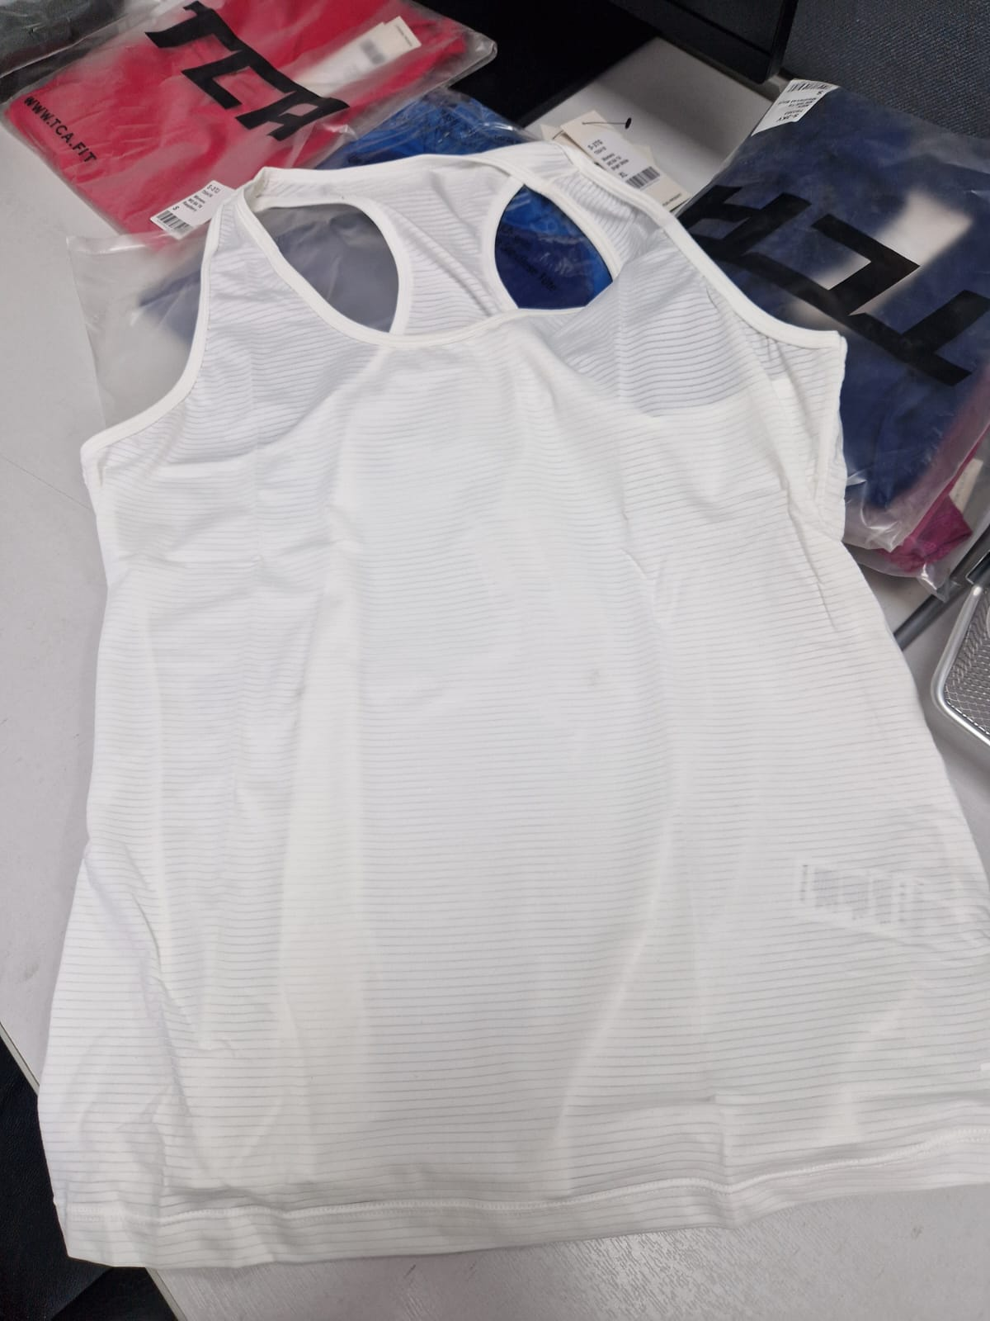
ME ST GL+Deep Forest | ME ST GL | S-3YU | 5055906545969 | Combat Gilet - Deep Forest, XL | Top | Gilet | Zip Through | 100% Nylon | Mens | Deep Forest | XL | AW | 33 | Top-Gilet-Zip Through | £24.99 | £824.67 | https://www.amazon.co.uk/dp/B083V9F4N4
ME ST GL+Deep Forest | ME ST GL | S-3YV | 5055906545976 | Combat Gilet - Deep Forest, XXL | Top | Gilet | Zip Through | 100% Nylon | Mens | Deep Forest | XXL | AW | 31 | Top-Gilet-Zip Through | £24.99 | £774.69 | https://www.amazon.co.uk/dp/B083VR5FN6
WO ST BT+Anthracite | WO ST BT | S-3YW | 5055906545983 | Relentless Sports Bra - Anthracite, XS | Top | Tank | Crew Neck | 78% Polyester, 22% Elastane | Womens | Anthracite | XS | SS | 14 | Top-Tank-Crew Neck | £44.99 | £629.86 | https://www.amazon.co.uk/dp/B08CY68MH9
WO ST BT+Anthracite | WO ST BT | S-3YX | 5055906545990 | Relentless Sports Bra - Anthracite, S | Top | Tank | Crew Neck | 78% Polyester, 22% Elastane | Womens | Anthracite | S | SS | 14 | Top-Tank-Crew Neck | £44.99 | £629.86 | https://www.amazon.co.uk/dp/B08CY58J4W
WO ST BT+Anthracite | WO ST BT | S-3YY | 5055906546003 | Relentless Sports Bra - Anthracite, M | Top | Tank | Crew Neck | 78% Polyester, 22% Elastane | Womens | Anthracite | M | SS | 7 | Top-Tank-Crew Neck | £44.99 | £314.93 | https://www.amazon.co.uk/dp/B08CY6CZJB
WO ST BT+Anthracite | WO ST BT | S-3YZ | 5055906546010 | Relentless Sports Bra - Anthracite, L | Top | Tank | Crew Neck | 78% Polyester, 22% Elastane | Womens | Anthracite | L | SS | 12 | Top-Tank-Crew Neck | £44.99 | £539.88 | https://www.amazon.co.uk/dp/B08CY5PTKG
WO ST BT+Anthracite | WO ST BT | S-3Z0 | 5055906546027 | Relentless Sports Bra - Anthracite, XL | Top | Tank | Crew Neck | 78% Polyester, 22% Elastane | Womens | Anthracite | XL | SS | 7 | Top-Tank-Crew Neck | £44.99 | £314.93 | https://www.amazon.co.uk/dp/B08CY5G84X
WO ST BT+Atlantic Deep | WO ST BT | S-3Z1 | 5055906546034 | Relentless Sports Bra - Atlantic Deep, XS | Top | Tank | Crew Neck | 78% Polyester, 22% Elastane | Womens | Atlantic Deep | XS | SS | 15 | Top-Tank-Crew Neck | £44.99 | £674.85 | https://www.amazon.co.uk/dp/B08CY4M75N
WO ST TI+Anthracite | WO ST TI | S-3Z6 | 5055906546089 | Relentless 7/8 Legging - Anthracite, XS | Bottom | Tights | High Waist | 78% Polyester, 22% Elastane | Womens | Anthracite | XS | AW | 23 | Bottom-Tights -High Waist | £44.99 | £1,034.77 | https://www.amazon.co.uk/dp/B08CY5Q25T
WO ST SH+Anthracite | WO ST SH | S-3ZG | 5055906546188 | Relentless Power Short - Anthracite, XS | Bottom | Shorts | High Waist | 78% Polyester, 22% Elastane | Womens | Anthracite | XS | SS | 27 | Bottom-Shorts -High Waist | £44.99 | £1,214.73 | https://www.amazon.co.uk/dp/B08CY6DSJZ
WO ST SH+Anthracite | WO ST SH | S-3ZH | 5055906546195 | Relentless Power Short - Anthracite, S | Bottom | Shorts | High Waist | 78% Polyester, 22% Elastane | Womens | Anthracite | S | SS | 26 | Bottom-Shorts -High Waist | £44.99 | £1,169.74 | https://www.amazon.co.uk/dp/B08CY5BNK7
 |  |  |  |  |  |  |  |  |  |  |  | 0 | 17,691.00 |  | 5,311.29 | 241,490.90

